Table S1-Fig S1 sampling info
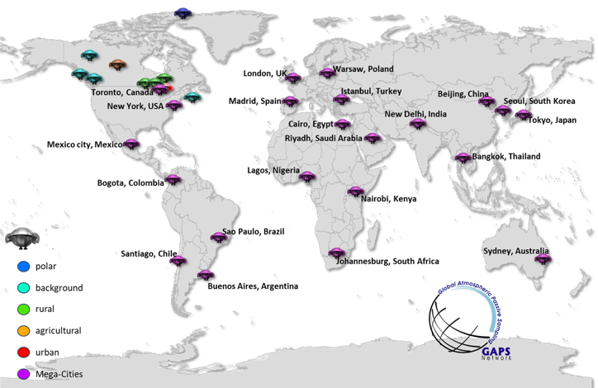
Table S1: Sites and sampling information for PUF-PAS deployed in Quarter 3 in 2023. |  |  |  |  |  |  |  |  |  |  |  |  |  |  |  |  |  | Figure S1: Map showing the sampling sites monitored under this study
Site ID | Location | Country | Latitude | Longitude | Deployment Date | Retrieval Date | Deployment days (D) | Site specific sampling rate (R, m3/day) | Sampled air volume m3 (RxD) | Av temp during deployment (°C) | site type
core-GAPS Canadian sites
WE01 | Alert, Nunavut | Canada | 82.450133 | -63.503967 | 30-Jun-23 | 2-Oct-23 | 94 | 2.29 | 215 | -1.82 | Polar
WE05 | Bratt's Lake, Saskatchewan | Canada | 50.200833 | -104.710278 | 4-Jul-23 | 6-Oct-23 | 94 | 3.39 | 319 | 15.6 | Agricultural
WE06 | Whistler, British Columbia | Canada | 50.05833346 | -122.9569441 | 30-Jun-23 | 24-Sep-23 | 86 | 1.21 | 104 | 7.19 | Background
WE09 | Downsview, Ontario | Canada | 43.781111 | -79.468333 | 29-Jun-23 | 28-Sep-23 | 91 | 2.58 | 235 | 19.8 | Urban
WE25 | Little Fox Lake, Yukon | Canada | 61.34999638 | -135.6333367 | 6-Jun-23 | 1-Oct-23 | 117 | 2.31 | 270 | 11.1 | Background
WE32 | Fraserdale, ON | Canada | 49.883333 | -81.566667 | 27-Jun-23 | 2-Oct-23 | 97 | 3.37 | 327 | 15.7 | Background
WE33 | Ucluelet, BC | Canada | 48.93333301 | -125.5166666 | 1-Jul-23 | 1-Oct-23 | 92 | 4.41 | 406 | 14.6 | Background
WE34 | Sable Island, NS | Canada | 43.932624 | -60.005971 | 29-Jun-23 | 1-Oct-23 | 94 | 3.46 | 325 | 16.9 | Background
WE45 | Longwoods | Canada | 42.883333 | -81.480556 | 30-Jun-23 | 30-Sep-23 | 92 | 3.01 | 277 | 19 | Rural
WE47 | Egbert / CARE Station | Canada | 44.231106 | -79.783091 | 29-Jun-23 | 4-Oct-23 | 97 | 3.69 | 358 | 29 | Rural
GAPS-Megacities sites |  |  |  |  |  |  |  |  |  |  |  | Population1 | Population1 (million) | Population Density1 (per sq km) | GDP2 (billions USD) | HDI3 | IPI
MC-WE01 | Toronto | Canada | 43.659 | -79.3965 | 6-Jul-23 | 7-Nov-23 | 124 | 3.125 | 388 | 20 | Mega/major city | 6,491,290 | 6.49 | 4149.5 | 917.49 | 0.946 | 103.84
MC-WE02 | New York | USA | 40.8199 | -73.9487 | 6-Jul-23 | 6-Oct-23 | 92 | 3.735 | 344 | 23.1 | Mega/major city | 8,412,513 | 8.41 | 10810 | 2489.77 | 0.942 | 103.6124
MC-WE03 | Sydney | Australia | -33.7962 | 151.1449 | 3-Jul-23 | 3-Oct-23 | 92 | 5.665 | 521 | 12.9 | Mega/major city | 5,248,790 | 5.25 | 81765 | 855.03 | 0.958 | 98.216
MC-WE04 | Istanbul | Turkey | 41.0082 | 28.9784 | 5-Jul-23 | 31-Oct-23 | 118 | 3.425 | 404 | 24.2 | Mega/major city | 16,236,700 | 16.24 | 2523 | 676.31 | 0.886 | 107.1124
MC-WE05 | London | UK | 51.496 | -0.127 | 30-Jun-23 | 9-Oct-23 | 101 | 5.135 | 519 | 19.3 | Mega/major city | 9,840,740 | 9.84 | 7700 | 1472.4 | 0.982 | 92.5124
MC-WE06 | Madrid | Spain | 40.4432 | -3.6846 | 3-Jul-23 | 2-Oct-23 | 91 | 5.54 | 504 | 16.1 | Mega/major city | 6,810,530 | 6.81 | 5400 | 680.57 | 0.951 | 101.6124
MC-GR01 | São Paulo | Brazil | -23.6183 | -46.6355 | 4-Jul-23 | 4-Oct-23 | 92 | 2.32 | 213 | 19.1 | Mega/major city | 22,990,000 | 22.99 | 7216.3 | 701.64 | 0.812 | 104.1816
MC-GR02 | Bogota | Columbia | 4.6368 | -74.0834 | 30-Jun-23 | 2-Oct-23 | 94 | 5.175 | 486 | 13.5 | Mega/major city | 11,795,800 | 11.80 | 4310 | 516 | 0.835 | 117.4316
MC-GR03 | Mexico City | Mexico | 19.2465 | -99.1013 | 7-Aug-23 | 4-Oct-23 | 58 | 2.095 | 122 | 18.4 | Mega/major city | 22,752,400 | 22.75 | 6000 | 682.45 | 0.789 | 99.5516
MC-GR04 | Santiago | Chile | -33.4378 | -70.6504 | 3-Jul-23 | 28-Sep-23 | 87 | 5.45 | 474 | 11 | Mega/major city | 6,999,460 | 7.00 | 9821 | 291.3 | 0.908 | 95.6316
MC-AS02 | Beijing | China | 39.9042 | 116.4074 | 30-Jun-23 | 1-Oct-23 | 93 | 4.135 | 385 | 25 | Mega/major city | 22,596,500 | 22.60 | 1330.207 | 1098.64 | 0.912 | 274.88
MC-AS03 | Bangkok | Thailand | 13.7235 | 100.5216 | 23-Jul-23 | 2-Oct-23 | 71 | 5.18 | 368 | 28.7 | Mega/major city | 11,391,700 | 11.39 | 34889 | 685.12 | 0.833 | 96.2210
MC-AS04 | Tokyo | Japan | 35.6895 | 139.6917 | 4-Jul-23 | 2-Oct-23 | 90 | 3.25 | 293 | 28.4 | Mega/major city | 37,036,200 | 37.04 | 6224.66 | 2553.69 | 0.951 | 103.26
MC-AS05 | New Delhi | India | 28.5897 | 77.2257 | 12-Oct-23 | 19-Feb-24 | 130 | 4.765 | 619 | 21.5 | Mega/major city | 34,665,600 | 34.67 | 11295 | 715.6 | 0.777 | 152.816
MC-AS06 | Seoul | South Korea | 36.372 | 127.363 | 27-Jul-23 | 30-Oct-23 | 95 | 3.595 | 342 | 24.7 | Mega/major city | 34,665,600 | 34.67 | 16000 | 1419.79 | 0.967 | 120.316
MC-AS07 | Riyadh | Saudi Arabia | 24.7222 | 46.6259 | 1-Jul-23 | 1-Oct-23 | 92 | 4.9 | 451 | 36.1 | Mega/major city | 7,952,860 | 7.95 | 4300 | 528.47 | 0.924 | 105.0511
MC-CEE01 | Warsaw | Poland | 52.2216 | 21.0073 | 30-Jun-23 | 2-Oct-23 | 94 | 3.325 | 313 | 18.1 | Mega/major city | 1,800,230 | 1.80 | 3372 | 448.62 | 0.958 | 108.54
MC-AF01 | Lagos | Nigeria | 6.5244 | 3.3792 | 4-Jul-23 | 30-Sep-23 | 88 | 1.94 | 171 | 26.4 | Mega/major city | 17,156,400 | 17.16 | 6871 | 280.67 | 0.723 | 111.712
MC-AF02 | Cairo | Egypt | 30.0141 | 31.486 | 16-Aug-23 | 9-Nov-23 | 85 | 3.66 | 311 | 28 | Mega/major city | 23,074,200 | 23.07 | 19376 | 403 | 0.803 | 124.1413
MC-AF04 | Johannesburg | South Africa | -26.1929 | 28.0305 | 18-Jul-23 | 14-Nov-23 | 119 | 4.165 | 496 | 16 | Mega/major city | 6,444,580 | 6.44 | 2900 | 286 | 0.763 | 120.36

Note: site-specific R values were estimated using an online tool (IOWA, 2020) developed by Herkert et al. (2018). This tool takes into account the site-specific meteorological data such as wind speed (WS) based on the sampling dates and location coordinates. For some sites where local wind speed information was available and/or where the online tool estimate was not suitable, R was adjusted based on local wind speed data (NOAA, 2020) using the WS and R relationship from the modelled data, shown in Eq. (1) (Schuster et al., 2021): R (m3/day) = 1.6087 × [WS (m/s)]0.6265

Reference:
Schuster, J.K., Harner, T., Eng, A., Rauert, C., Su, K., Hornbuckle, K.C., Johnson, C.W., 2021. Tracking POPs in Global Air from the First 10 Years of the GAPS Network (2005 to 2014). Environmental Science & Technology. https://doi.org/10.1021/acs. est.1c01705.

Sources of demograhic and socioeconomic indices
1. Populations and population density per city. Source World Population Review, cited on Nov 17, 2025. Population density was 29,259.12 people per square mile in Delhi and 29,777 people per square mile in New York City; both values were manually converted to people per square kilometer.
2. Ranked: The World’s Richest Cities, 2024 - CEOWORLD magazine
3. Subnational Human Development - Global Data Lab. Bolded values are the HDI for the region (ie. state, province), not city.
4. Industrial Production by Indicator, Country and Year. UNECE Statistical Database. Reference: 2023; Unit: 2021=100.
5. The city at a glance - City of Sydney
6. Industrial Production - Country List | Economic Indicators | Moody's Analytics. Reference: Sept 2025, except Australia Reference: 2025 Q2. South Africa unit: 2020=100 NSA. Japan unit: 2020=100 SA. India unit: Index FY 2012=100, NSA. South Korea unit: 2020=100, NSA. Brazil unit: 2022=100, SA. Columbia unit: Ch. Vol. Index 2018-100, NSA. Mexico unit: 2018=100 SA. Chile unit: 2018=100, NSA. Australia unit: Index FY 2023=100, SA.
7. China: population density by province 2024| Statista
8. NSDP/SDDS for the People's Republic of China Reference: Oct 2025; Unit: 2010=100.
9. Population of Bangkok (capital of Thailand)
10. Industrial Indices Reference : Sept 2025; Unit: 2021=100, SA.
11. GASTAT.IPI (2024) Unit : 2010=100
12. Nigeria Industrial Production Index | Economic Indicators | CEIC. Reference: June 2024, Unit: Index 2010=100.
13. Egypt : Economic and Financial Data. Unit: base year FY 2012/2013.

Fig S2 & S3, Supporting Text
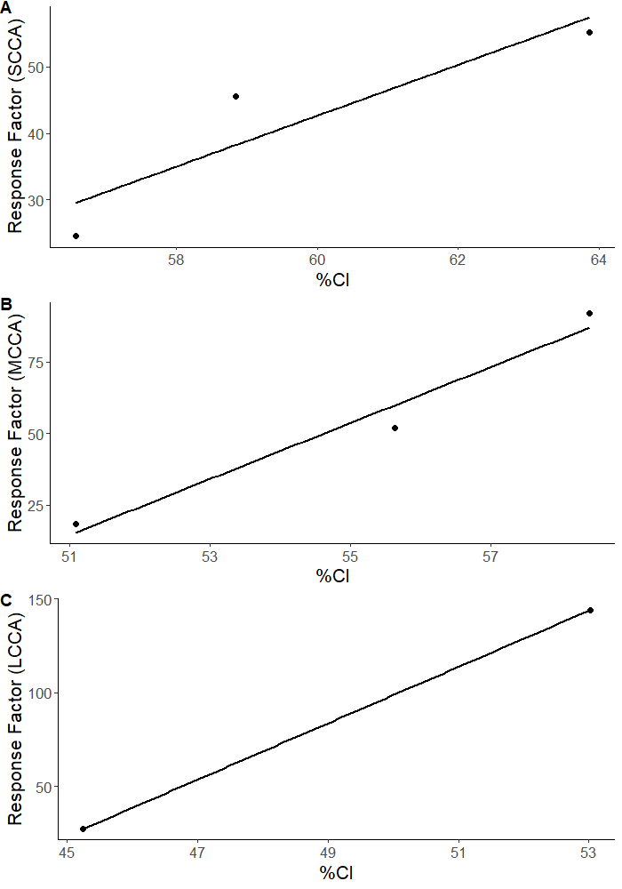
Text S1: Results of method optimization The results of the instrumental method optimization can be seen in Figure S2. Tuned parameters included capillary voltage, vaporizer temperature, ion transfer tube temperature, sheath/auxiliary gas flow, and LC mobile phase gradient. Post-optimization, the peak shape for CP signals was significantly cleaner and the sensitivity was improved by 1 to 2 orders of magnitude. This dramatic improvement to peak shape was also what allowed for the use of R scripts for data processing, as it minimized the need for laborious and time-consuming manual verification of peak identity. | Text S2: Quantificaton method
 | For each technical mixture, peak areas of the most abundant isotope of each congener are collected and normalized by the peak area of the mass-labelled internal standard 13C10-anti-DP, which was added to every standard solution and spiked into every sample at the same concentration.

 |  |  | -1

 | The full area of each detected congener is then estimated by dividing the normalized area by the natural percent abundance of the isotope peak detected.

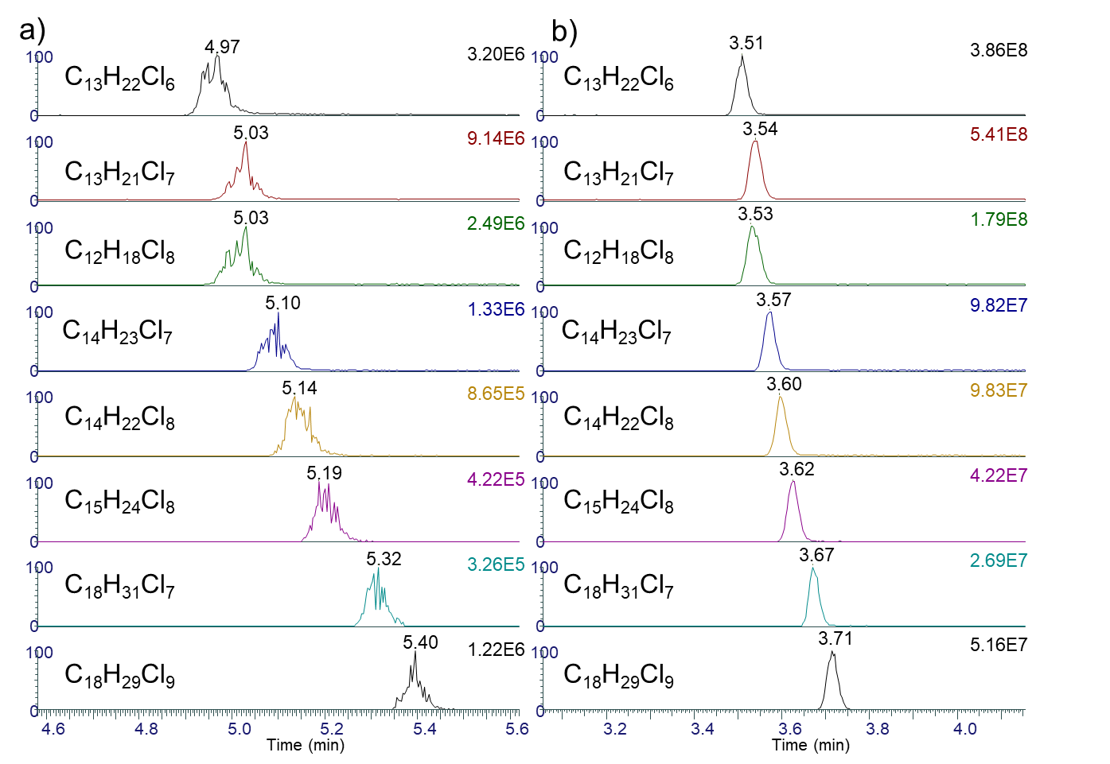
 |  | -2

 | The response factor (RF) for each technical mixture is calculated by dividing the sum of all congener peak areas in the mixture by the concentration used.

 |  | -3

 | Measured chlorine content for the technical mixture was calculated from the exact mass % of chlorine for each congener using Eq. 4. As CP congeners with fewer chlorines (<5) are more difficult to detect, this method does tend to overestimate the chlorine contents of technical mixtures with lower degrees of chlorination.

 |  |  |  | -4
 | The exact mass % of chlorine for each congener was obtained using Eq. 5:

 |  |  |  | -5

 | The RF was then plotted against the %Cl for each pair of mixtures containing the same CA chain lengths, and linear regression was performed to obtain three different versions of Eq. 6, one each for SCCPs, MCCPs, and LCCPs. These plots are shown in Figure S3.

 |  |  | -6

Figure S2. Representative chromatograms of 1 µg/mL technical mixtures of chlorinated Paraffins before (a) and after (b) method optimization. | Quantification of SCCPs, MCCPs, or LCCPs in each sample was then performed by first applying Eqs. 1, 2, and 4 to obtain the overall %Cl of CAs in the sample, then using the appropriate version of Eq. 6 to calculate the Sample RF. Finally, the concentration of SCCPs, MCCPs, or LCCPs in the sample was calculated from the Sample RF using Eq. 7.

 |  |  |  |  |  | Figure S3. Response factor plots generated from technical standard mixtures data by R script as part of automated data processing. A) Short-chain chlorinated paraffins (SCCPs, C10-C13). B) Medium-chain chlorinated paraffins (MCCPs, C14-C17). C) Long-chain chlorinated paraffins (LCCPs, C18-C20).

 |  |  |  |  | -7

 | The final output of the R script is a table containing: sample IDs, sample CA concentrations grouped by chain length category (SCCP, MCCP, or LCCP), individual congener concentrations, m/z, formulae, and retention times.

Fig S4 & S5
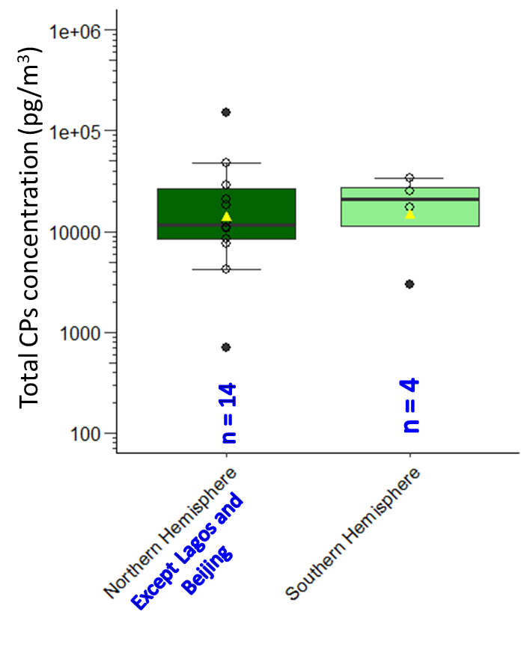
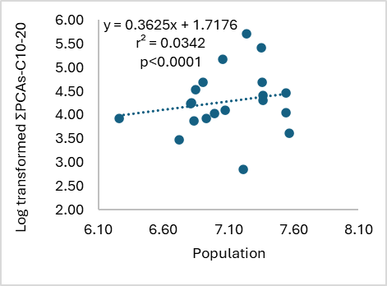
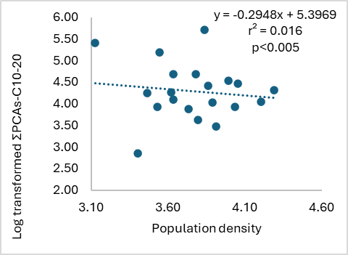
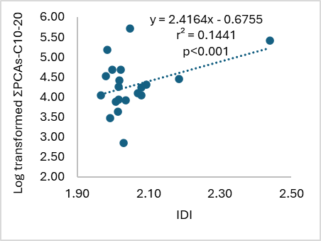
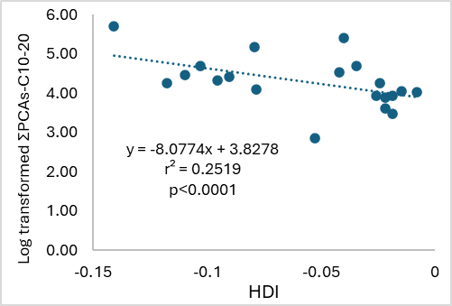
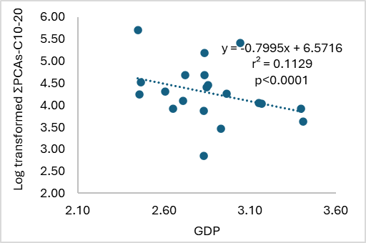
Figure S4:Comparison of concentrations (during 2023) of total measured CPs as shown in box and whisker plots across the Northern Hemisphere (excluding Lagos and Beijing) and Southern Hemisphere. Yellow triangle markers indicate the average; top, middle and bottom lines of the boxes show 75th percentiles, medians and 25th percentiles, respectively, and whiskers represent the minimum and maximum total concentration. N represents the number of sites sampled in the given Hemisphere. | Figure S5: Correlation plots of measured total CPs levels (ΣPCAs-C10-20) and demographic and socioeconomic indicators, including total population, population density, Gross Domestic Product (GDP), Industrial Production Index (IPI), and Human Development Index (HDI) (Table S1). Student's t-Test assuming unequal variances was performed to assess statistical significance.

Fig S6 Cl homologue profile
Figure S5 : Chlorine based homologue profiles of CPs assessed for a subset of sites in each UN region.
Riyadh, Saudi Arabia
Cl6 | 0.31812417993
Cl7 | 0.43508128983
Cl8 | 0.20919864493
Cl9 | 0.03759588531
Cl6 | 0.52298446428
Cl7 | 0.32794985351
Cl8 | 0.12532955225
Cl9 | 0.023050006077
Cl10 | 0.00068612387444
Cl7 | 0.69488606873
Cl8 | 0.25094698633
Cl9 | 0.048885956068
Cl10 | 0.0052809888705
Cl7 | 0.75822128305
Cl8 | 0.18700370805
Cl9 | 0.042993727839
Cl10 | 0.011781281061
Cl6 | 0.90403733581
Cl7 | 0.062554914604
Cl8 | 0.023928221418
Cl9 | 0.0074954416645
Cl10 | 0.0019840865078
Cl7 | 0.60020041325
Cl8 | 0.24510706322
Cl9 | 0.1209795514
Cl10 | 0.033712972136
Cl7 | 0.5341090368
Cl8 | 0.25342837606
Cl9 | 0.14787604516
Cl10 | 0.064586541978
Cl8 | 0.42780531719
Cl9 | 0.30438096947
Cl10 | 0.26781371335
Cl9 | 0.17617216714
Cl10 | 0.32270178806
Cl11 | 0.24725323072
Cl12 | 0.25387281408
Cl8 | 0.41344614191
Cl9 | 0.079260479062
Cl10 | 0.11772656048
Cl11 | 0.17185418581
Cl12 | 0.15934485608
Cl13 | 0.058367776663
Cl8 | 0.046640690607
Cl9 | 0.10764167029
Cl10 | 0.19129049622
Cl11 | 0.26593137365
Cl12 | 0.25057025145
Cl13 | 0.13792551779
Lagos, Nigeria
 | congenerConc (ng/sample)
Cl6 | 0.37235191924
Cl7 | 0.40292721385
Cl8 | 0.17987359345
Cl9 | 0.040125029784
Cl10 | 0.0047222436754
Cl6 | 0.6293589919
Cl7 | 0.25904799073
Cl8 | 0.089464618552
Cl9 | 0.01873906279
Cl10 | 0.0030685116509
Cl11 | 0.00032082437781
Cl7 | 0.71869555363
Cl8 | 0.21221251299
Cl9 | 0.0550446423
Cl10 | 0.012281281533
Cl11 | 0.0017660095437
Cl7 | 0.79447785369
Cl8 | 0.14616153971
Cl9 | 0.043886987622
Cl10 | 0.012685289212
Cl11 | 0.002788329761
Cl6 | 0.90642243735
Cl7 | 0.055736021262
Cl8 | 0.023882812647
Cl9 | 0.0096040811938
Cl10 | 0.0033350675348
Cl11 | 0.00085259216898
Cl12 | 0.00016698784258
Cl7 | 0.53938141083
Cl8 | 0.24852845691
Cl9 | 0.12712959401
Cl10 | 0.05942856138
Cl11 | 0.021623012025
Cl12 | 0.0039089648393
Cl7 | 0.49051277081
Cl8 | 0.21136623978
Cl9 | 0.14672666921
Cl10 | 0.10390573874
Cl11 | 0.047488581461
Cl8 | 0.30843925365
Cl9 | 0.25749335065
Cl10 | 0.20827358815
Cl11 | 0.15064845716
Cl12 | 0.075145350401
Cl8 | 0.12357276219
Cl9 | 0.16853508792
Cl10 | 0.24421680819
Cl11 | 0.2420821188
Cl12 | 0.14330123236
Cl13 | 0.07829199053
...

Bangkok, Thailand
Cl6 | 0.43395189009
Cl7 | 0.39481617137
Cl8 | 0.14531696937
Cl9 | 0.025914969176
Cl6 | 0.70740927821
Cl7 | 0.21857242445
Cl8 | 0.062544947994
Cl9 | 0.010635440484
Cl10 | 0.00083790886265
Cl7 | 0.78692500279
Cl8 | 0.17589216623
Cl9 | 0.032939054116
Cl10 | 0.0042437768637
Cl7 | 0.86531474721
Cl8 | 0.10690526169
Cl9 | 0.02428316807
Cl10 | 0.0034968230258
Cl6 | 0.93414007497
Cl7 | 0.047514077981
Cl8 | 0.013785815561
Cl9 | 0.0036618613107
Cl10 | 0.000790425807
Cl11 | 0.00010774437227
Cl7 | 0.69894632781
Cl8 | 0.20338694592
Cl9 | 0.073730574537
Cl10 | 0.019853313646
Cl11 | 0.004082838082
Cl7 | 0.58233999557
Cl8 | 0.21851962223
Cl9 | 0.12482191444
Cl10 | 0.054921322649
Cl11 | 0.016281229948
Cl12 | 0.0031159151642
Cl8 | 0.47875184712
Cl9 | 0.29301258883
Cl10 | 0.15156616596
Cl11 | 0.061083467973
Cl12 | 0.01558593012
Cl7 | 0.096358210352
Cl8 | 0.191872972
Cl9 | 0.23645857751
Cl10 | 0.24452986801
Cl11 | 0.15069068446
Cl12 | 0.064744915613
Cl13 | 0.015344772054
Cl11 | 0.4621208428
Cl19 | 0.5378791572
Cl8 | 0.063755064145
Cl9 | 0.13838066231
...
Beijing ,China
 | congenerConc (ng/sample)
Cl6 | 0.43702589368
Cl7 | 0.38975747501
Cl8 | 0.14738793626
Cl9 | 0.02385327571
Cl10 | 0.0019754193342
Cl6 | 0.67106035299
Cl7 | 0.24225147973
Cl8 | 0.071971131021
Cl9 | 0.013265266455
Cl10 | 0.0014517697959
Cl7 | 0.76153716203
Cl8 | 0.19251435628
Cl9 | 0.039380454311
Cl10 | 0.0065680273859
Cl7 | 0.83683638561
Cl8 | 0.12465725254
Cl9 | 0.030345014684
Cl10 | 0.006868237985
Cl11 | 0.0012931091773
Cl6 | 0.9186822307
Cl7 | 0.050978733816
Cl8 | 0.019788804536
Cl9 | 0.0075067487851
Cl10 | 0.0024486417014
Cl11 | 0.00053990684495
Cl12 | 5.49336196E-05
Cl7 | 0.55415943017
Cl8 | 0.24314608047
Cl9 | 0.13139212334
Cl10 | 0.053143338855
Cl11 | 0.018159027167
Cl7 | 0.50707996331
Cl8 | 0.20381801566
Cl9 | 0.13012777872
Cl10 | 0.079483498489
Cl11 | 0.045923915778
Cl12 | 0.023924356304
Cl13 | 0.0096424717451
Cl8 | 0.29527174389
Cl9 | 0.21813092958
Cl10 | 0.18207905446
Cl11 | 0.14239783401
Cl12 | 0.094544566353
Cl13 | 0.051716860736
Cl14 | 0.015859010969
Cl6 | 0.037702654219
Cl7 | 0.067928999625
Cl8 | 0.10221673799
Cl9 | 0.13975614171
Cl10 | 0.17473429884
...

Toronto, Canada
Cl6 | 0.53543927606
Cl7 | 0.36068264407
Cl8 | 0.10152378416
Cl9 | 0.0023542957068
Cl6 | 0.71944829419
Cl7 | 0.20613509773
Cl8 | 0.062504903671
Cl9 | 0.011911704411
Cl7 | 0.76953717134
Cl8 | 0.19458631695
Cl9 | 0.035876511703
Cl7 | 0.82641528185
Cl8 | 0.12751656352
Cl9 | 0.038045112357
Cl10 | 0.0080230422683
Cl6 | 0.92592910078
Cl7 | 0.046801055636
Cl8 | 0.01854043556
Cl9 | 0.0066378192184
Cl10 | 0.001993953039
Cl11 | 9.7635762402E-05
Cl7 | 0.59437719751
Cl8 | 0.25095483517
Cl9 | 0.12291030724
Cl10 | 0.031757660081
Cl7 | 0.56876456537
Cl8 | 0.23014348487
Cl9 | 0.13248102808
Cl10 | 0.068610921679
Cl9 | 0.35580661999
Cl10 | 0.22212280329
Cl10 | 0.2883671702
Cl11 | 0.13370340651
Cl8 | 0.75147988252
Cl11 | 0.041688994195
Cl19 | 0.20683112328
Cl11 | 0.01787544735

Sydney, Australia
Cl6 | 0.41944976736
Cl7 | 0.33474713055
Cl8 | 0.16382730328
Cl9 | 0.062286186422
Cl10 | 0.019689612383
Cl6 | 0.61989973468
Cl7 | 0.20639349109
Cl8 | 0.10522894351
Cl9 | 0.045975257886
Cl10 | 0.019241358918
Cl11 | 0.0032612139195
Cl7 | 0.71000652306
Cl8 | 0.20481766926
Cl9 | 0.059361699191
Cl10 | 0.02581410849
Cl7 | 0.80400791418
Cl8 | 0.13792099618
Cl9 | 0.046338595059
Cl10 | 0.011732494583
Cl6 | 0.91629834871
Cl7 | 0.045613933917
Cl8 | 0.020878992712
Cl9 | 0.011248595302
Cl10 | 0.004853530284
Cl11 | 0.0011065990732
Cl7 | 0.57610515578
Cl8 | 0.25374461918
Cl9 | 0.13241891813
Cl10 | 0.037731306917
Cl7 | 0.58458063155
Cl8 | 0.22601205127
Cl9 | 0.11577972984
Cl10 | 0.073627587335
Cl9 | 0.77539293557
Cl10 | 0.22460706443
Cl10 | 0.79329617656
Cl11 | 0.20670382344
Cl10 | 0.12961792621
Cl19 | 0.87038207379
Cl9 | 0.74387932958
Cl11 | 0.25612067042

Mexico city, Mexico
Cl6 | 0.38028852352
Cl7 | 0.49057771671
Cl8 | 0.12913375977
Cl6 | 0.67797807946
Cl7 | 0.24765014965
Cl8 | 0.074371770889
Cl7 | 0.7565768101
Cl8 | 0.2434231899
Cl7 | 0.88645693527
Cl8 | 0.11354306473
Cl6 | 0.93850943265
Cl7 | 0.044529243954
Cl8 | 0.011182537046
Cl9 | 0.0047879691252
Cl10 | 0.0009908172203
Cl7 | 0.39562306748
Cl8 | 0.60437693252
Cl9 | 0.66489054883
Cl10 | 0.33510945117
Cl9 | 1
Cl11 | 1
Santiago, Chile
Cl6 | 0.60072503817
Cl7 | 0.29967384262
Cl8 | 0.086087374943
Cl9 | 0.013513744259
Cl6 | 0.71762571531
Cl7 | 0.21102118156
Cl8 | 0.057435131393
Cl9 | 0.011635514202
Cl10 | 0.0022824575352
Cl7 | 0.72300758256
Cl8 | 0.20302362787
Cl9 | 0.05789234168
Cl10 | 0.016076447884
Cl7 | 0.74583554698
Cl8 | 0.16838674198
Cl9 | 0.066605076587
Cl10 | 0.019172634452
Cl6 | 0.86735687526
Cl7 | 0.067125431849
Cl8 | 0.039245887552
Cl9 | 0.018921394945
Cl10 | 0.0062068087569
Cl11 | 0.0010641507529
Cl12 | 7.9450888996E-05
Cl7 | 0.45872015647
Cl8 | 0.29100353041
Cl9 | 0.17227148181
Cl10 | 0.061483672266
Cl11 | 0.016521159044
Cl7 | 0.50896670539
Cl8 | 0.25241891791
Cl9 | 0.14441928163
Cl10 | 0.063849384113
Cl11 | 0.02532526201
Cl12 | 0.0050204489447
Cl8 | 0.43457212208
Cl9 | 0.30520360993
Cl10 | 0.16400786194
Cl11 | 0.071642707454
Cl12 | 0.024573698596
Cl8 | 0.26423880041
Cl9 | 0.30082893009
Cl10 | 0.26111221802
Cl11 | 0.13006171022
Cl12 | 0.043758341257
Cl8 | 0.24623119629
Cl9 | 0.31894476408
Cl10 | 0.29923148918
Cl11 | 0.13559255046
Cl7 | 0.24791520925
...

Fig S7 &S8
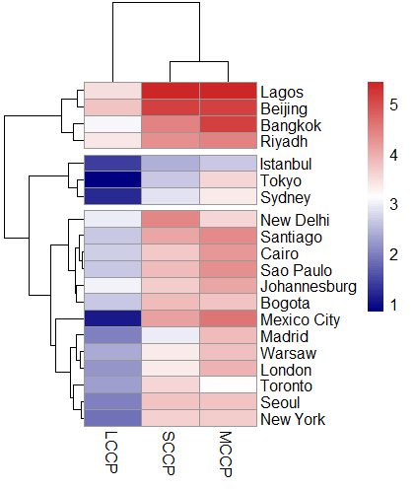
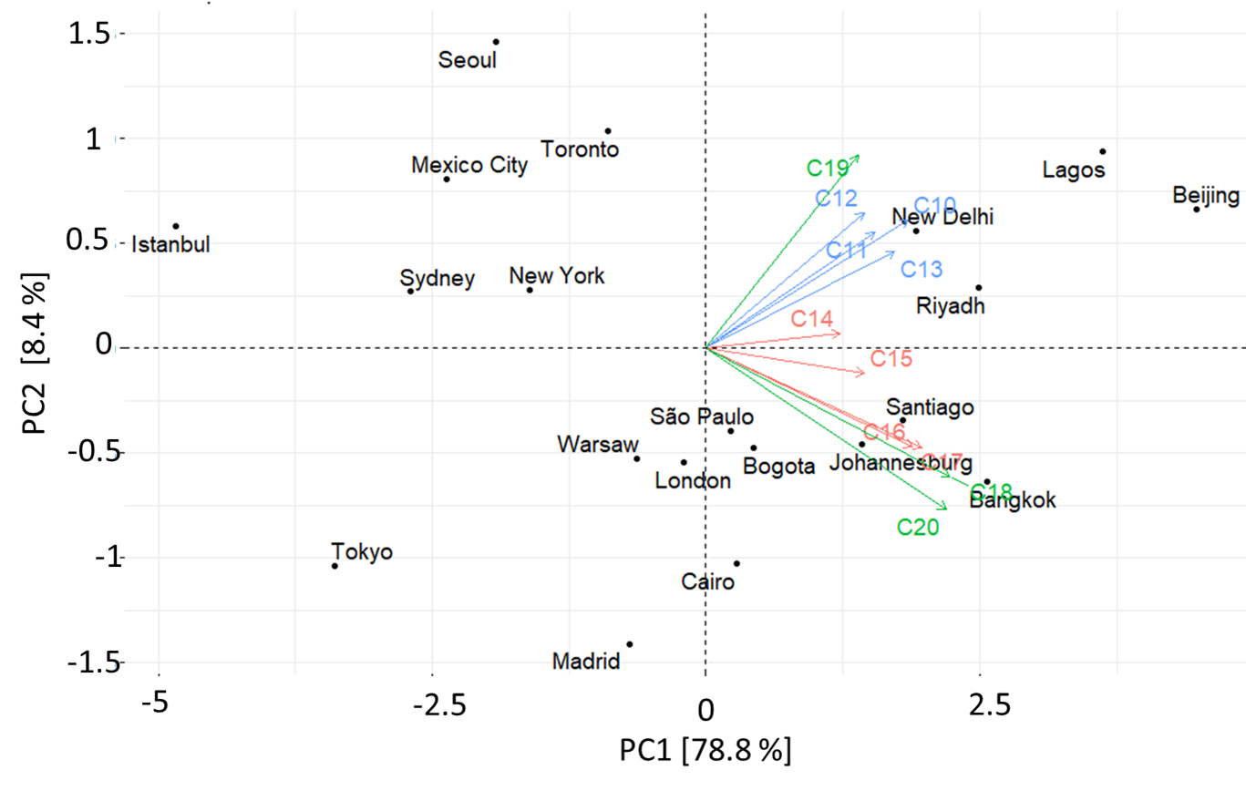
Figure S7: Principal component analysis biplot (score and loading plot) of the total of individual carbon chain lengths with variable chlorine chain length (log-transformed) in air for SCCPs (PCAs-C10-13, blue arrows), MCCPs (PCAs-C14-17, red arrows) and LCCPs (PCAs-C18-20, green arrows) in 2023. Components 1 and 2 account for 87.2 percent variability in the dataset. | Figure S8: Hierarchical clustering heatmap of log-transformed concentrations of short-chain (SCCPs), medium-chain (MCCPs), and long-chain (LCCPs) chlorinated paraffins across 20 global cities. Rows represent cities and columns represent CP subgroups. The data were log-transformed to reduce skew from extreme values, and hierarchical clustering (Euclidean distance) was applied to both rows and columns. The color scale reflects concentration levels, with red indicating higher and blue lower log-transformed values. Clustering reveals distinct groups of cities with similar CP profiles, highlighting regional and/or regulatory patterns in CP usage and distribution.

