Folha1
Additional file 5: Data for the structures of male genitalia results of statistical analyses.
 | Measurements of single structures |  |  |  |  |  |  |  |  |  |  |  |  |  | Average of both structures for each individual |  |  |  |  |  |  |  | Scatter plott per individual (N = 11) | Segment IX setae |  |  |  |  |  |  |  |  |  |  | seta f shape |  |  |  |  |  |  | HindFemur R Ratio |  |  |  |  |  |  |  |  |  |  |  | Midfemur pale line
 | seta f shape | f-code | seg IX setae | N | ref | PT-seta g R1 | PT-VA/LP | SA-seta g R1 | SA-VA/LP | ref | N | seg IX setae | seta f shape | f-code | PT |  | PT-seta g ratio | PT-VA/LP | SA-seta g ratio | SA-VA/LP | SA
 | PT |  | SA
0.44122967762 | 1.3635987421 | 0.48038429635 | 1.3908947916
0.48214568665 | 1.5233366982 | 0.479484718 | 1.2373034797
0.43831535823 | 1.2811201313 |  | 1.2230794361
0.51528952505 | 1.5012747829 | 0.34109640545 | 1.1812949313
0.35688888889 | 1.6633133804 | 0.43864902312 | 1.1143810014
0.46097779771 | 1.4687556157 | 0.43978444236 | 1.26078219
0.51003439567 | 1.2524268211 | 1.4502639578 | 1.4502639578
0.32223415682 | 1.6455665036 | 1.3450318563 | 1.3450318563
0.43583511104 | 1.5187043166 | 1.3257624066 | 1.3257624066
 | 1.6687411247 | 1.470460301 | 1.470460301
0.45613720416 | 1.4880277547 | 1.3815697404 | 1.3815697404
 | wide/romboid (broader end than neck) | 2 | 8 | 1 | PORT-2-1/C6R | 0.515147 | 1.244316 | 0.507610 | 1.501343 | Safr-GAU-86E1 | 1 | 8 | pointed | 1 | PORT-2-1 | 1 | 0.44122967762 | 1.3635987421 | 0.48038429635 | 1.3908947916 | Safr-GAU-86E1 | 1 |  | Case Processing Summary |  |  |  |  |  |  |  |  |  |  | CROSSTABS
 | - | - | 8 |  | PORT-2-1/C6R | 0.367312 | 1.482882 | 0.453159 | 1.280447 | Safr-GAU-86E1 |  | 9 | rhomboid, wider than neck | 2 |  |  |  |  |  |  |  |  |  | Country |  | Cases |  |  |  |  |  |  |  |  | /TABLES=seta_f_shape BY Country
 | pointed | 1 | 9 | 2 | PORT-2-2/C7 | 0.522336 | 1.453839 | 0.567402 | 1.237871 | Safr-GAU-86E2 | 2 | 9 | pointed | 1 | PORT-2-2 | 2 | 0.48214568665 | 1.5233366982 | 0.479484718 | 1.2373034797 | Safr-GAU-86E2 | 2 |  |  |  | Valid |  | Missing |  | Total |  |  |  |  | /FORMAT=AVALUE TABLES
 | pointed | 1 | 9 |  | PORT-2-2/C7 | 0.441955 | 1.592834 | 0.391567 | 1.236736 | Safr-GAU-86E2 |  | 9 | rhomboid, wider than neck | 2 |  |  |  |  |  |  |  |  |  |  |  | N | Percent | N | Percent | N | Percent |  |  |  | /STATISTICS=CHISQ |  |  |  |  |  |  | DATASET ACTIVATE DataSet1. |  |  |  | 'univittatus\genitalia-univ.sav' |  |  |  |  |  |  |  | Case Processing Summary
 | rounded but narrow | 1 | 10 | 3 | PORT-2448-1/C1 | 0.495435 | 1.311884 |  | 1.249871 | Safr-GAU-109-K | 3 | - | - | - | PORT-2448-1 | 3 | 0.43831535823 | 1.2811201313 |  | 1.2230794361 | Safr-GAU-109-K | 3 |  | segIX_setae | PT | 22 | 100.0% | 0 | 0.0% | 22 | 100.0% |  |  |  | /CELLS=COUNT COLUMN |  |  |  |  |  |  |  |  |  |  |  |  |  |  |  |  |  |  |  | Cases
 | pointed | 1 | 10 |  | PORT-2448-1/C1 | 0.381196 | 1.250357 |  | 1.196288 | Safr-GAU-109-K |  | - | - | - |  |  |  |  |  |  |  |  |  |  | SA | 20 | 90.9% | 2 | 9.1% | 22 | 100.0% |  |  |  | /COUNT ROUND CELL |  |  |  |  |  |  | SAVE OUTFILE='C:\Users\palmeida\Documents\paulo gouveia de almeida\mosquitos '+ |  |  |  |  |  |  |  |  |  |  |  |  | Valid |  | Missing |  | Total
 | blunt and wide (broader end than neck) | 2 | 9 | 4 | PORT-2449-1 | 0.515290 | 1.560131 | 0.338657 | 1.226226 | Safr-GAU-113-H | 4 | 11 | pointed drumstick | 1 | PORT-2449-1 | 4 | 0.51528952505 | 1.5012747829 | 0.34109640545 | 1.1812949313 | Safr-GAU-113-H | 4 |  |  |  |  |  |  |  |  |  |  |  |  | /METHOD=EXACT TIMER(5). |  |  |  |  |  |  | EXAMINE VARIABLES=Hindfe_R_nocorresp BY Country |  |  |  |  |  |  |  |  |  |  |  |  | N | Percent | N | Percent | N | Percent
 | pointed | 1 | 9 |  | PORT-2449-1 |  | 1.442418 | 0.343535 | 1.136364 | Safr-GAU-113-H |  | 14 | pointed drumstick | 1 |  |  |  |  |  |  |  |  |  |  |  |  |  |  |  |  |  |  |  |  |  |  |  |  |  |  |  | /PLOT BOXPLOT HISTOGRAM NPPLOT |  |  |  |  |  |  |  |  |  |  |  | midfemur_code * Country_b | 49 | 96.1% | 2 | 3.9% | 51 | 100.0%
 | pointed and narrow, though slightly broader end than neck | 1 | 11 | 5 | PORT-2460-1 | 0.356889 | 1.746348 | 0.432743 | 1.148198 | Safr-GAU-118-M | 5 | 10 | pointed | 1 | PORT-2460-1 | 5 | 0.35688888889 | 1.6633133804 | 0.43864902312 | 1.1143810014 | Safr-GAU-118-M | 5 |  | Descriptives |  |  |  |  |  |  |  |  |  |  |  |  |  |  |  |  |  | /COMPARE GROUPS
 | pointed and narrow, not broader end than neck | 1 | 8 |  | PORT-2460-1 |  | 1.580279 | 0.444555 | 1.080564 | Safr-GAU-118-M |  | 12 | pointed | 1 |  |  |  |  |  |  |  |  |  | Country |  |  |  | Statistic | Std. Error |  |  |  |  |  | Case Processing Summary |  |  |  |  |  |  | /PERCENTILES(5,10,25,50,75,90,95) HAVERAGE |  |  |  |  |  |  |  |  |  |  |  | midfemur_code * Country_b Crosstabulation
 | NA | - | 8 | 6 | PORT-2474-2/C5 | 0.460978 | 1.368476 | 0.439784 | 1.306117 | Safr-GAU-122-H | 6 | 7 | pointed | 1 | PORT-2474-2 | 6 | 0.46097779771 | 1.4687556157 | 0.43978444236 | 1.26078219 | Safr-GAU-122-H | 6 |  | segIX_setae | PT | Mean |  | 9.09 | 0.245 |  |  |  |  |  |  | Cases |  |  |  |  |  | /STATISTICS DESCRIPTIVES |  |  |  |  |  |  |  |  |  |  |  |  |  |  | Country_b |  | Total
 | pointed and narrow, not broader end than neck | 1 | 8 |  | PORT-2474-2/C5 |  | 1.569035 |  | 1.215447 | Safr-GAU-122-H |  | 8 | rhomboid wider than neck | 2 |  |  |  |  |  |  |  |  |  |  |  | 95% Confidence Interval for Mean | Lower Bound | 8.58 |  |  |  |  |  |  |  | Valid |  | Missing |  | Total |  | /CINTERVAL 95 |  |  |  |  |  |  |  |  |  |  |  |  |  |  | PT & SP | SA
 | rounded, slightly broader end than neck | 1 | 11 | 7 | PORT-2630-69/3435 | 0.544304 | 1.27022 | 0.451613 | 1.529169 | Safr-GAU-117-w1 | 7 | 14 | pointed | 1 | PORT-2630-69/3435 | 7 | 0.51003439567 | 1.2524268211 | 1.4502639578 | 1.4502639578 | Safr-GAU-117-w1 | 7 |  |  |  |  | Upper Bound | 9.60 |  |  |  |  |  |  |  | N | Percent | N | Percent | N | Percent | Case Processing Summary |  |  |  |  |  |  |  |  |  |  |  | midfemur_code | absent | Count | 5 | 1 | 6
 | rounded, slightly broader end than neck | 1 | 10 |  | PORT-2630-69/3435 | 0.475765 | 1.23463 | 0.434598 | 1.371359 | Safr-GAU-117-w1 |  | 8 | pointed | 1 |  |  |  |  |  |  |  |  |  |  |  | 5% Trimmed Mean |  | 9.05 |  |  |  |  |  |  | seta_f_shape * Country | 39 | 88.6% | 5 | 11.4% | 44 | 100.0% | Country |  | Cases |  |  |  |  |  |  |  |  |  |  |  | % within Country_b | 15.6% | 5.9% | 12.2%
 | rhomboid shaped, slightly broader end than neck | 1 | 8 | 8 | PORT-2635-8b/3437 | 0.322234 | 1.679504 | 0.452769 | 1.315401 | Safr-GAU-117-w2 | 8 | 9 | pointed | 1 | PORT-3437 | 8 | 0.32223415682 | 1.6455665036 | 1.3450318563 | 1.3450318563 | Safr-GAU-117-w2 | 8 |  |  |  | Median |  | 9.00 |  |  |  |  |  |  |  |  |  |  |  |  |  |  |  | Valid |  | Missing |  | Total |  |  |  |  |  |  | full line | Count | 20 | 10 | 30
 | NA | - | 9 |  | PORT-2635-8b/3437 |  | 1.611629 | 0.465603 | 1.374662 | Safr-GAU-117-w2 |  | 9 | pointed | 1 |  |  |  |  |  |  |  |  |  |  |  | Variance |  | 1.325 |  |  |  |  |  |  |  |  |  |  |  |  |  |  |  | N | Percent | N | Percent | N | Percent |  |  |  |  |  |  | % within Country_b | 62.5% | 58.8% | 61.2%
 | drum stick (tip slightly broader than neck) | 1 | 8 | 9 | PORT-2635-8c/3438 | 0.381146 | 1.6785608965 | 0.419686 | 1.252454 | Safr-GAU-117-w3 | 9 | 8 | rhomboid, wider than neck | 2 | PORT-3438 | 9 | 0.43583511104 | 1.5187043166 | 1.3257624066 | 1.3257624066 | Safr-GAU-117-w3 | 9 |  |  |  | Std. Deviation |  | 1.151 |  |  |  |  |  |  |  |  |  |  |  |  |  | Hindfe_R_nocorresp | PT | 16 | 72.7% | 6 | 27.3% | 22 | 100.0% |  |  |  |  |  | interrupted line | Count | 7 | 6 | 13
 | round tip rod (tip not broader than neck) | 1 | 9 |  | PORT-2635-8c/3438 | 0.490524 | 1.358848 | 0.426134 | 1.399071 | Safr-GAU-117-w3 |  | 9 | pointed | 1 |  |  |  |  |  |  |  |  |  |  |  | Minimum |  | 8 |  |  |  |  |  |  | seta_f_shape * Country Crosstabulation |  |  |  |  |  |  |  | SA | 15 | 68.2% | 7 | 31.8% | 22 | 100.0% |  |  |  |  |  |  | % within Country_b | 21.9% | 35.3% | 26.5%
 | pointed tip rod (tip not broader than neck) | 1 | 8 | 10 | PORT-2635-8d/3439 |  | 1.651888 | 0.463392 | 1.490015 | Safr-MAR-218-i | 10 | 11 | pointed | 1 | PORT-3439 | 10 |  | 1.6687411247 | 1.470460301 | 1.470460301 | Safr-MAR-218-i | 10 |  |  |  | Maximum |  | 11 |  |  |  |  |  |  |  |  |  | Country |  | Total |  |  |  |  |  |  |  |  |  |  |  |  |  | Total |  | Count | 32 | 17 | 49
 | drum stick (tip slightly broader than neck) | 1 | 11 |  | PORT-2635-8d/3439 |  | 1.685595 | 0.467026 | 1.450906 | Safr-MAR-218-i |  | 8 | pointed | 1 |  |  |  |  |  |  |  |  | Scatter plott per each structure (not all for all individuals) |  |  | Range |  | 3 |  |  |  |  |  |  |  |  |  | PT | SA |  |  |  |  |  |  |  |  |  |  |  |  |  |  |  |  | % within Country_b | 100.0% | 100.0% | 100.0%
 | pointed but narrow | 1 | 8 | 11 | PORT-2465-1/C4 | 0.536131 | 1.4648717949 | 0.464825 | 1.412518 | Safr-MAR-264-k | 11 | 13 | pointed | 1 | PORT-2465-1/C4 | 11 | 0.45613720416 | 1.4880277547 | 1.3815697404 | 1.3815697404 | Safr-MAR-264-k | 11 |  |  |  | Interquartile Range |  | 2 |  |  |  |  |  |  | seta_f_shape | pointed/narrow | Count | 17 | 15 | 32 |  | Descriptives
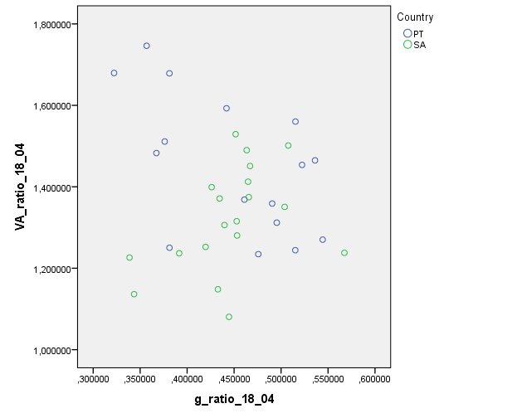
 | rounded but narrow | 1 | 11 |  | PORT-2465-1/C4 | 0.376144 | 1.5111837145 | 0.503824 | 1.350621 | Safr-MAR-264-k |  | 15 | rounded-blunt, wider than neck | 2 |  |  |  |  |  |  |  |  |  |  |  | Skewness |  | 0.632 | 0.491 |  |  |  |  |  |  |  | % within Country | 89.5% | 75.0% | 82.1% |  | Country |  |  |  | Statistic | Std. Error |  |  |  |  |  |  | Chi-Square Tests
 |  |  |  |  |  |  |  |  |  |  |  |  |  |  |  |  |  |  |  |  |  |  |  |  |  | Kurtosis |  | -1.027 | 0.953 |  |  |  |  |  |  | rhomboid/wide | Count | 2 | 5 | 7 |  | Hindfe_R_nocorresp | PT | Mean |  | 82.68750 | 2.296227 |  |  |  |  |  |  |  | Value | df | Asymptotic Significance (2-sided) | Exact Sig. (2-sided) | Exact Sig. (1-sided) | Point Probability
 |  |  |  |  |  |  |  |  |  |  |  |  |  |  |  |  |  |  |  |  |  |  |  |  | SA | Mean |  | 10.05 | 0.531 |  |  |  |  |  |  |  | % within Country | 10.5% | 25.0% | 17.9% |  |  |  | 95% Confidence Interval for Mean | Lower Bound | 77.79321 |  |  |  |  |  |  |  | Pearson Chi-Square | 1,639a | 2 | 0.441 | 0.414
 |  |  |  |  |  |  |  |  |  |  |  |  |  |  |  |  |  |  |  |  |  |  |  |  |  | 95% Confidence Interval for Mean | Lower Bound | 8.94 |  |  |  |  |  |  | Total |  | Count | 19 | 20 | 39 |  |  |  |  | Upper Bound | 87.58179 |  |  |  |  |  |  |  | Likelihood Ratio | 1.720 | 2 | 0.423 | 0.414
 | STATS |  |  |  |  |  |  |  |  |  |  |  |  |  |  |  |  |  |  |  |  |  |  |  |  |  | Upper Bound | 11.16 |  |  |  |  |  |  |  |  | % within Country | 100.0% | 100.0% | 100.0% |  |  |  | 5% Trimmed Mean |  | 83.09722 |  |  |  |  |  |  |  | Fisher's Exact Test | 1.518 |  |  | 0.414
 |  |  |  |  |  |  |  |  |  |  |  |  |  |  |  |  |  |  |  |  |  |  |  |  |  | 5% Trimmed Mean |  | 9.94 |  |  |  |  |  |  |  |  |  |  |  |  |  |  |  | Median |  | 83.30000 |  |  |  |  |  |  |  | Linear-by-Linear Association | 1,588b | 1 | 0.208 | 0.230 | 0.155 | 0.090
 |  |  |  |  |  |  |  |  |  |  |  |  |  |  |  |  |  |  |  |  |  |  |  |  |  | Median |  | 9.00 |  |  |  |  |  |  |  |  |  |  |  |  |  |  |  | Variance |  | 84.362 |  |  |  |  |  |  |  | N of Valid Cases | 49
 |  |  |  |  |  |  |  |  |  |  |  |  |  |  |  |  |  |  |  |  |  |  |  |  |  | Variance |  | 5.629 |  |  |  |  |  |  | Chi-Square Tests |  |  |  |  |  |  |  |  | Std. Deviation |  | 9.184906 |  |  |  |  |  |  |  | a. 3 cells (50,0%) have expected count less than 5. The minimum expected count is 2,08.
 | Case Processing Summary |  |  |  |  |  |  |  |  |  |  |  |  |  |  |  |  |  |  |  |  |  |  |  |  | Std. Deviation |  | 2.373 |  |  |  |  |  |  |  | Value | df | Asymp. Sig. (2-sided) | Exact Sig. (2-sided) | Exact Sig. (1-sided) | Point Probability |  |  | Minimum |  | 60.000 |  |  |  |  |  |  |  | b. The standardized statistic is 1,260.
 | Country |  | Cases |  |  |  |  |  |  |  |  |  |  |  |  |  |  |  |  |  |  |  |  |  |  | Minimum |  | 7 |  |  |  |  |  |  | Pearson Chi-Square | 1,386a | 1 | 0.239 | 0.407 | 0.225 |  |  |  | Maximum |  | 98.000
 |  |  | Valid |  | Missing |  | Total |  |  |  |  |  |  |  |  |  |  |  |  |  |  |  |  |  |  | Maximum |  | 15 |  |  |  |  |  |  | Continuity Correctionb | 0.577 | 1 | 0.447 |  |  |  |  |  | Range |  | 38.000
 |  |  | N | Percent | N | Percent | N | Percent |  |  |  |  |  |  |  |  |  |  |  |  |  |  |  |  |  | Range |  | 8 |  |  |  |  |  |  | Likelihood Ratio | 1.428 | 1 | 0.232 | 0.407 | 0.225 |  |  |  | Interquartile Range |  | 9.375
 | g_ratio_18_04 | PT | 16 | 72.7% | 6 | 27.3% | 22 | 100.0% |  |  |  |  |  |  |  |  |  |  |  |  |  |  |  |  |  | Interquartile Range |  | 4 |  |  |  |  |  |  | Fisher's Exact Test |  |  |  | 0.407 | 0.225 |  |  |  | Skewness |  | -0.734 | 0.564
 |  | SA | 19 | 86.4% | 3 | 13.6% | 22 | 100.0% |  |  |  |  |  |  |  |  |  |  |  |  |  |  |  |  |  | Skewness |  | 0.880 | 0.512 |  |  |  |  |  | Linear-by-Linear Association | 1,350c | 1 | 0.245 | 0.407 | 0.225 | 0.172 |  |  | Kurtosis |  | 1.489 | 1.091
 | VA_ratio_18_04 | PT | 16 | 72.7% | 6 | 27.3% | 22 | 100.0% |  |  |  |  |  |  |  |  |  |  |  |  |  |  |  |  |  | Kurtosis |  | -0.436 | 0.992 |  |  |  |  |  | N of Valid Cases | 39 |  |  |  |  |  |  | SA | Mean |  | 81.96000 | 2.462902
 |  | SA | 19 | 86.4% | 3 | 13.6% | 22 | 100.0% |  |  |  |  |  |  |  |  |  |  |  |  |  |  |  |  |  |  |  |  |  |  |  |  |  |  | a. 2 cells (50,0%) have expected count less than 5. The minimum expected count is 3,41. |  |  |  |  |  |  |  |  | 95% Confidence Interval for Mean | Lower Bound | 76.67760
 |  |  |  |  |  |  |  |  |  |  |  |  |  |  |  |  |  |  |  |  |  |  |  |  |  |  |  |  |  |  |  |  |  |  | b. Computed only for a 2x2 table |  |  |  |  |  |  |  |  |  | Upper Bound | 87.24240
 |  |  |  |  |  |  |  |  |  |  |  |  |  |  |  |  |  |  |  |  |  |  |  | Percentiles |  |  |  |  |  |  |  |  |  |  | c. The standardized statistic is 1,162. |  |  |  |  |  |  |  |  | 5% Trimmed Mean |  | 82.12222
 | Descriptives |  |  |  |  |  |  |  |  |  |  |  |  |  |  |  |  |  |  |  |  |  |  | Country |  |  | Percentiles |  |  |  |  |  |  |  |  |  |  |  |  |  |  |  |  | Median |  | 83.30000
 | Country |  |  |  | Statistic | Std. Error |  |  |  |  |  |  |  |  |  |  |  |  |  |  |  |  |  |  |  |  | 5 | 10 | 25 | 50 | 75 | 90 | 95 |  |  |  |  |  |  |  |  |  |  | Variance |  | 90.988
 | g_ratio_18_04 | PT | Mean |  | 0.44892413 | 0.018410706 |  |  |  |  |  |  |  |  |  |  |  |  |  |  |  |  |  | Weighted Average(Definition 1) | segIX_setae | PT | 8.00 | 8.00 | 8.00 | 9.00 | 10.00 | 11.00 | 11.00 |  |  |  |  |  |  |  |  |  |  | Std. Deviation |  | 9.538778
 |  |  | 95% Confidence Interval for Mean | Lower Bound | 0.40968263 |  |  |  |  |  |  |  |  |  |  |  |  |  |  |  |  |  |  |  |  | SA | 7.05 | 8.00 | 8.00 | 9.00 | 11.75 | 14.00 | 14.95 |  |  |  |  |  |  |  |  |  |  | Minimum |  | 66.000
 |  |  |  | Upper Bound | 0.48816562 |  |  |  |  |  |  |  |  |  |  |  |  |  |  |  |  |  |  | Tukey's Hinges | segIX_setae | PT |  |  | 8.00 | 9.00 | 10.00 |  |  |  |  |  |  |  |  |  |  |  |  | Maximum |  | 95.000
 |  |  | 5% Trimmed Mean |  | 0.45066358 |  |  |  |  |  |  |  |  |  |  |  |  |  |  |  |  |  |  |  |  | SA |  |  | 8.00 | 9.00 | 11.50 |  |  |  |  |  |  |  |  |  |  |  |  | Range |  | 29.000
 |  |  | Median |  | 0.46837150 |  |  |  |  |  |  |  |  |  |  |  |  |  |  |  |  |  |  |  |  |  |  |  |  |  |  |  |  |  |  |  |  |  |  |  |  |  |  | Interquartile Range |  | 17.700
 |  |  | Variance |  | 0.005 |  |  |  |  |  |  |  |  |  |  |  |  |  |  |  |  |  |  |  |  |  |  |  |  |  |  |  |  |  |  |  |  |  |  |  |  |  |  | Skewness |  | -0.419 | 0.580
 |  |  | Std. Deviation |  | 0.073642823 |  |  |  |  |  |  |  |  |  |  |  |  |  |  |  |  |  |  | Tests of Normality |  |  |  |  |  |  |  |  |  |  |  |  |  |  |  |  |  |  |  | Kurtosis |  | -1.104 | 1.121
 |  |  | Minimum |  | 0.322234 |  |  |  |  |  |  |  |  |  |  |  |  |  |  |  |  |  |  | Country |  | Kolmogorov-Smirnova |  |  | Shapiro-Wilk
 |  |  | Maximum |  | 0.544304 |  |  |  |  |  |  |  |  |  |  |  |  |  |  |  |  |  |  |  |  | Statistic | df | Sig. | Statistic | df | Sig.
 |  |  | Range |  | 0.222070 |  |  |  |  |  |  |  |  |  |  |  |  |  |  |  |  |  |  | segIX_setae | PT | 0.237 | 22 | 0.002 | 0.812 | 22 | 0.001 |  |  |  |  |  |  |  |  |  |  | Percentiles
 |  |  | Interquartile Range |  | 0.137860 |  |  |  |  |  |  |  |  |  |  |  |  |  |  |  |  |  |  |  | SA | 0.271 | 20 | 0.000 | 0.869 | 20 | 0.011 |  |  |  |  |  |  |  |  |  |  | Country |  |  | Percentiles
 |  |  | Skewness |  | -0.317 | 0.564 |  |  |  |  |  |  |  |  |  |  |  |  |  |  |  |  |  | a. Lilliefors Significance Correction |  |  |  |  |  |  |  |  |  |  |  |  |  |  |  |  |  |  |  |  | 5 | 10 | 25 | 50 | 75 | 90 | 95
 |  |  | Kurtosis |  | -1.472 | 1.091 |  |  |  |  |  |  |  |  |  |  |  |  |  |  |  |  |  |  |  |  |  |  |  |  |  |  |  |  |  |  |  |  |  |  |  | Weighted Average(Definition 1) | Hindfe_R_nocorresp | PT | 60.00000 | 67.98000 | 80.00000 | 83.30000 | 89.37500 | 95.90000
 |  | SA | Mean |  | 0.44570958 | 0.012079920 |  |  |  |  |  |  |  |  |  |  |  |  |  |  |  |  |  |  |  |  |  |  |  |  |  |  |  |  |  |  |  |  |  |  |  |  |  | SA | 66.00000 | 66.42000 | 72.30000 | 83.30000 | 90.00000 | 93.74000
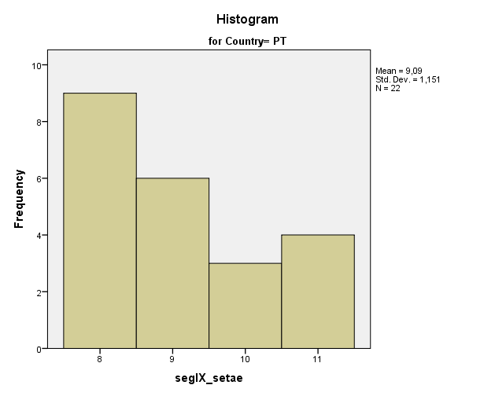
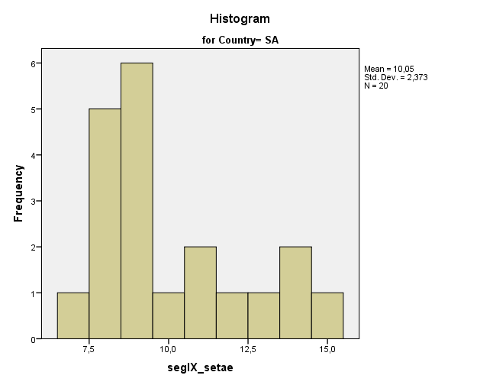
 |  |  | 95% Confidence Interval for Mean | Lower Bound | 0.42033061 |  |  |  |  |  |  |  |  |  |  |  |  |  |  |  |  |  |  |  |  |  |  |  |  |  |  |  |  |  |  |  |  |  |  |  |  | Tukey's Hinges | Hindfe_R_nocorresp | PT |  |  | 80.00000 | 83.30000 | 88.75000
 |  |  |  | Upper Bound | 0.47108855 |  |  |  |  |  |  |  |  |  |  |  |  |  |  |  |  |  |  |  |  |  |  |  |  |  |  |  |  |  |  |  |  |  |  |  |  |  |  | SA |  |  | 74.15000 | 83.30000 | 90.00000
 |  |  | 5% Trimmed Mean |  | 0.44489625
 |  |  | Median |  | 0.45161300
 |  |  | Variance |  | 0.003 |  |  |  |  |  |  |  |  |  |  |  |  |  |  |  |  |  |  |  |  |  |  |  |  |  |  |  |  |  |  |  |  |  |  |  |  | Tests of Normality
 |  |  | Std. Deviation |  | 0.052655152 |  |  |  |  |  |  |  |  |  |  |  |  |  |  |  |  |  |  |  |  |  |  |  |  |  |  |  |  |  |  |  |  |  |  |  |  | Country |  | Kolmogorov-Smirnova |  |  | Shapiro-Wilk
 |  |  | Minimum |  | 0.338657 |  |  |  |  |  |  |  |  |  |  |  |  |  |  |  |  |  |  |  |  |  |  |  |  |  |  |  |  |  |  |  |  |  |  |  |  |  |  | Statistic | df | Sig. | Statistic | df | Sig.
 |  |  | Maximum |  | 0.567402 |  |  |  |  |  |  |  |  |  |  |  |  |  |  |  |  |  |  |  |  |  |  |  |  |  |  |  |  |  |  |  |  |  |  |  |  | Hindfe_R_nocorresp | PT | 0.197 | 16 | 0.096 | 0.951 | 16 | 0.509
 |  |  | Range |  | 0.228745 |  |  |  |  |  |  |  |  |  |  |  |  |  |  |  |  |  |  |  |  |  |  |  |  |  |  |  |  |  |  |  |  |  |  |  |  |  | SA | 0.134 | 15 | ,200* | 0.933 | 15 | 0.303
 |  |  | Interquartile Range |  | 0.039469 |  |  |  |  |  |  |  |  |  |  |  |  |  |  |  |  |  |  |  |  |  |  |  |  |  |  |  |  |  |  |  |  |  |  |  |  | *. This is a lower bound of the true significance.
 |  |  | Skewness |  | -0.091 | 0.524 |  |  |  |  |  |  |  |  |  |  |  |  |  |  |  |  |  |  |  |  |  |  |  |  |  |  |  |  |  |  |  |  |  |  |  | a. Lilliefors Significance Correction
 |  |  | Kurtosis |  | 1.430 | 1.014
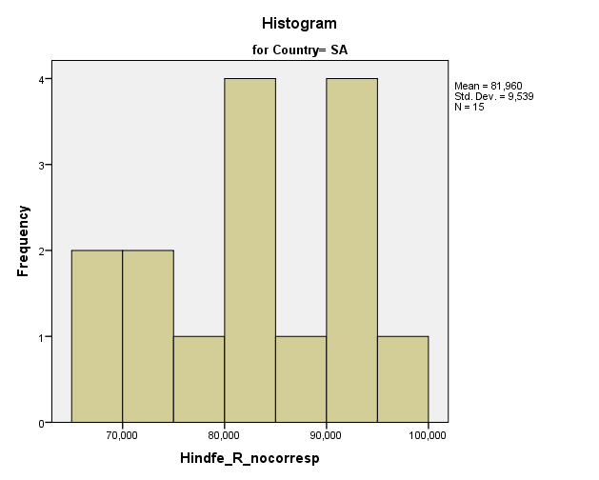
 | VA_ratio_18_04 | PT | Mean |  | 1.45055534 | 0.042092138
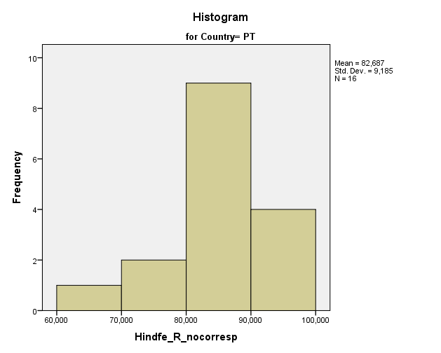
 |  |  | 95% Confidence Interval for Mean | Lower Bound | 1.36083807
 |  |  |  | Upper Bound | 1.54027261
 |  |  | 5% Trimmed Mean |  | 1.44611826
 |  |  | Median |  | 1.45935540
 |  |  | Variance |  | 0.028
 |  |  | Std. Deviation |  | 0.168368552
 |  |  | Minimum |  | 1.234630
 |  |  | Maximum |  | 1.746348
 |  |  | Range |  | 0.511718
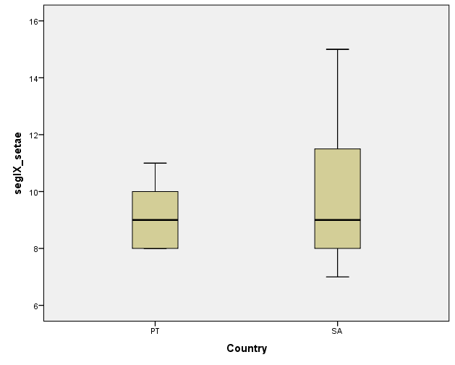
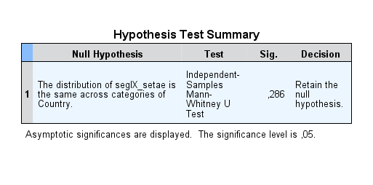
 |  |  | Interquartile Range |  | 0.304022
 |  |  | Skewness |  | 0.279 | 0.564
 |  |  | Kurtosis |  | -1.129 | 1.091
 |  | SA | Mean |  | 1.32105484 | 0.029290467
 |  |  | 95% Confidence Interval for Mean | Lower Bound | 1.25951786
 |  |  |  | Upper Bound | 1.38259183
 |  |  | 5% Trimmed Mean |  | 1.32285355
 |  |  | Median |  | 1.31540100
 |  |  | Variance |  | 0.016
 |  |  | Std. Deviation |  | 0.127674184
 |  |  | Minimum |  | 1.080564
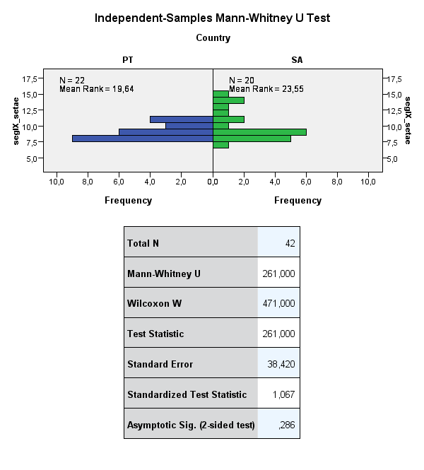
 |  |  | Maximum |  | 1.529169
 |  |  | Range |  | 0.448605
 |  |  | Interquartile Range |  | 0.175782
 |  |  | Skewness |  | -0.130 | 0.524
 |  |  | Kurtosis |  | -0.723 | 1.014

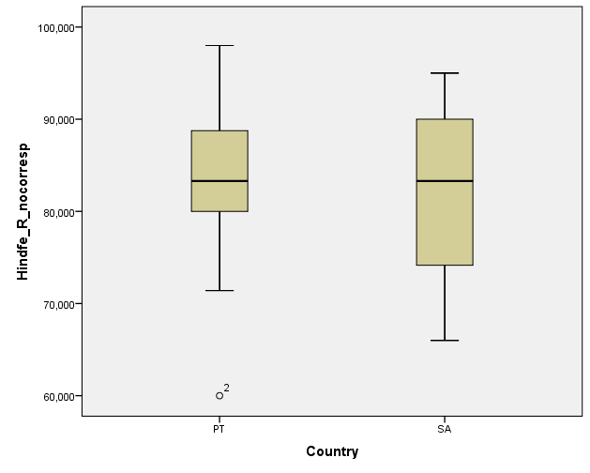
 | Percentiles
 | Country |  |  | Percentiles
 |  |  |  | 5 | 10 | 25 | 50 | 75 | 90 | 95
 | Weighted Average(Definition 1) | g_ratio_18_04 | PT | 0.32223400 | 0.34649250 | 0.37739450 | 0.46837150 | 0.51525425 | 0.53858290
 |  |  | SA | 0.33865700 | 0.34353500 | 0.42613400 | 0.45161300 | 0.46560300 | 0.50761000
 |  | VA_ratio_18_04 | PT | 1.23463000 | 1.24141020 | 1.28063600 | 1.45935540 | 1.58465825 | 1.69955720
 |  |  | SA | 1.08056400 | 1.13636400 | 1.23673600 | 1.31540100 | 1.41251800 | 1.50134300
 | Tukey's Hinges | g_ratio_18_04 | PT |  |  | 0.37864500 | 0.46837150 | 0.51521850
 |  |  | SA |  |  | 0.42943850 | 0.45161300 | 0.46521400
 |  | VA_ratio_18_04 | PT |  |  | 1.29105200 | 1.45935540 | 1.57648250
 |  |  | SA |  |  | 1.23730350 | 1.31540100 | 1.40579450 |  |  |  |  |  |  |  |  |  |  |  |  |  |  |  | Group Statistics
 |  |  |  |  |  |  |  |  |  |  |  |  |  |  |  |  |  |  |  |  |  |  |  | Country |  | N | Mean | Std. Deviation | Std. Error Mean
 |  |  |  |  |  |  |  |  |  |  |  |  |  |  |  |  |  |  |  |  |  |  |  | segIX_setae | PT | 22 | 9.09 | 1.151 | 0.245
 | Tests of Normality |  |  |  |  |  |  |  |  |  |  |  |  |  |  |  |  |  |  |  |  |  |  |  | SA | 20 | 10.05 | 2.373 | 0.531
 | Country |  | Kolmogorov-Smirnova |  |  | Shapiro-Wilk
 |  |  | Statistic | df | Sig. | Statistic | df | Sig. |  |  |  |  |  |  |  |  |  |  |  |  |  |  |  | Independent Samples Test
 | g_ratio_18_04 | PT | 0.196 | 16 | 0.101 | 0.905 | 16 | 0.098 |  |  |  |  |  |  |  |  |  |  |  |  |  |  |  |  |  | Levene's Test for Equality of Variances |  | t-test for Equality of Means
 |  | SA | 0.185 | 19 | 0.087 | 0.933 | 19 | 0.199 |  |  |  |  |  |  |  |  |  |  |  |  |  |  |  |  |  | F | Sig. | t | df | Sig. (2-tailed) | Mean Difference | Std. Error Difference | 95% Confidence Interval of the Difference
 | VA_ratio_18_04 | PT | 0.125 | 16 | ,200* | 0.935 | 16 | 0.295 |  |  |  |  |  |  |  |  |  |  |  |  |  |  |  |  |  |  |  |  |  |  |  |  | Lower | Upper
 |  | SA | 0.074 | 19 | ,200* | 0.976 | 19 | 0.881 |  |  |  |  |  |  |  |  |  |  |  |  |  |  |  | segIX_setae | Equal variances assumed | 11.533 | 0.002 | -1.691 | 40 | 0.099 | -0.959 | 0.567 | -2.105 | 0.187
 | *. This is a lower bound of the true significance. |  |  |  |  |  |  |  |  |  |  |  |  |  |  |  |  |  |  |  |  |  |  |  | Equal variances not assumed |  |  | -1.641 | 26.886 | 0.112 | -0.959 | 0.585 | -2.159 | 0.240
 | a. Lilliefors Significance Correction

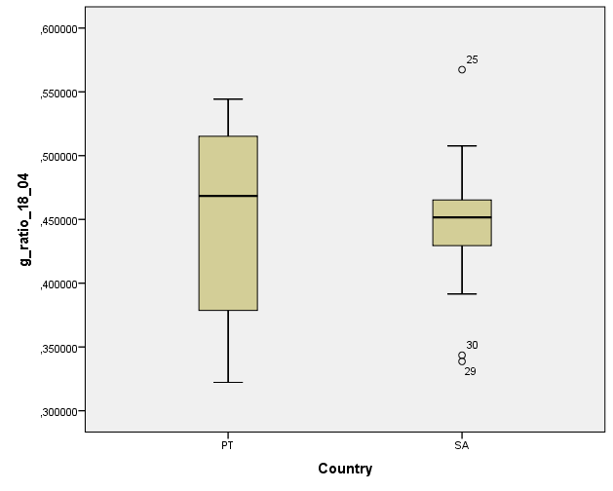
 |  |  |  |  |  |  |  |  |  |  |  |  |  |  |  |  |  |  |  |  |  |  |  |  |  |  |  |  |  |  |  |  |  |  |  |  |  |  |  |  |  |  | Group Statistics
 |  |  |  |  |  |  |  |  |  |  |  |  |  |  |  |  |  |  |  |  |  |  |  |  |  |  |  |  |  |  |  |  |  |  |  |  |  |  |  |  |  |  | Country |  | N | Mean | Std. Deviation | Std. Error Mean
 |  |  |  |  |  |  |  |  |  |  |  |  |  |  |  |  |  |  |  |  |  |  |  |  |  |  |  |  |  |  |  |  |  |  |  |  |  |  |  |  |  |  | Hindfe_R_nocorresp | PT | 16 | 82.68750 | 9.184906 | 2.296227
 |  |  |  |  |  |  |  |  |  |  |  |  |  |  |  |  |  |  |  |  |  |  |  |  |  |  |  |  |  |  |  |  |  |  |  |  |  |  |  |  |  |  |  | SA | 15 | 81.96000 | 9.538778 | 2.462902

 |  |  |  |  |  |  |  |  |  |  |  |  |  |  |  |  |  |  |  |  |  |  |  |  |  |  |  |  |  |  |  |  |  |  |  |  |  |  |  |  |  |  | Independent Samples Test
 |  |  |  |  |  |  |  |  |  |  |  |  |  |  |  |  |  |  |  |  |  |  |  |  |  |  |  |  |  |  |  |  |  |  |  |  |  |  |  |  |  |  |  |  | Levene's Test for Equality of Variances |  | t-test for Equality of Means
 |  |  |  |  |  |  |  |  |  |  |  |  |  |  |  |  |  |  |  |  |  |  |  |  |  |  |  |  |  |  |  |  |  |  |  |  |  |  |  |  |  |  |  |  | F | Sig. | t | df | Sig. (2-tailed) | Mean Difference | Std. Error Difference | 95% Confidence Interval of the Difference
 |  |  |  |  |  |  |  |  |  |  |  |  |  |  |  |  |  |  |  |  |  |  |  |  |  |  |  |  |  |  |  |  |  |  |  |  |  |  |  |  |  |  |  |  |  |  |  |  |  |  |  | Lower | Upper
 |  |  |  |  |  |  |  |  |  |  |  |  |  |  |  |  |  |  |  |  |  |  |  |  |  |  |  |  |  |  |  |  |  |  |  |  |  |  |  |  |  |  | Hindfe_R_nocorresp | Equal variances assumed | 0.478 | 0.495 | 0.216 | 29 | 0.830 | 0.727500 | 3.363032 | -6.150672 | 7.605672
 |  |  |  |  |  |  |  |  |  |  |  |  |  |  |  |  |  |  |  |  |  |  |  |  |  |  |  |  |  |  |  |  |  |  |  |  |  |  |  |  |  |  |  | Equal variances not assumed |  |  | 0.216 | 28.687 | 0.830 | 0.727500 | 3.367275 | -6.162619 | 7.617619

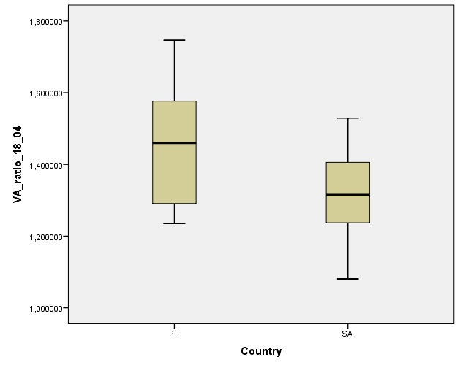

 | Group Statistics
 | Country |  | N | Mean | Std. Deviation | Std. Error Mean
 | g_ratio_18_04 | PT | 16 | 0.44892413 | 0.073642823 | 0.018410706
 |  | SA | 19 | 0.44570958 | 0.052655152 | 0.012079920
 | VA_ratio_18_04 | PT | 22 | 1.48862406 | 0.161243916 | 0.034377318
 |  | SA | 22 | 1.30734764 | 0.123648108 | 0.026361865

 | Independent Samples Test
 |  |  | Levene's Test for Equality of Variances |  | t-test for Equality of Means
 |  |  | F | Sig. | t | df | Sig. (2-tailed) | Mean Difference | Std. Error Difference | 95% Confidence Interval of the Difference
 |  |  |  |  |  |  |  |  |  | Lower | Upper
 | g_ratio_18_04 | Equal variances assumed | 5.816 | 0.022 | 0.150 | 33 | 0.882 | 0.003214546 | 0.021399244 | -0.040322544 | 0.046751636
 |  | Equal variances not assumed |  |  | 0.146 | 26.589 | 0.885 | 0.003214546 | 0.022019958 | -0.041999389 | 0.048428481
 | VA_ratio_18_04 | Equal variances assumed | 2.245 | 0.142 | 4.184 | 42 | 0.000 | 0.181276428 | 0.043321449 | 0.093850204 | 0.268702651
 |  | Equal variances not assumed |  |  | 4.184 | 39.352 | 0.000 | 0.181276428 | 0.043321449 | 0.093675567 | 0.268877288

