World regions
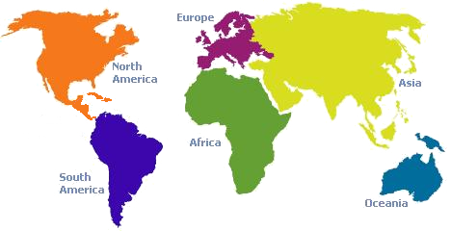

Africa | Af
North America | NA
South America | SA
Europe | Eu
Oceania | Oc
Asia | As

