SHEET A
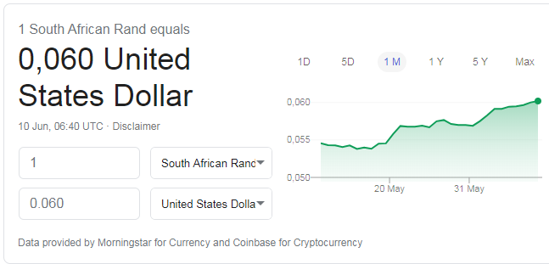
 | 6-Jun-20 | 0.060
Simulated costing units | Rands | Dollas
Nursery
Grafting and transgrafting propagation
Cost of FT-OX scion (Developed inhouse - not purchase and licencing fee) | R 1.00 | $0.06
Production cost for 1x micro-graft from selected coppice or sandbed hedges | R 5.00 | $0.30
Tree climbing and production cost for 1x macro-graft from selected tree canopy | R 20.00 | $1.20
Post-caring of transgrafts with FT-OX scion | R 75.00 | $4.50
Post-caring of normal grafted selection | R 30.00 | $1.80
Pre-caring of roostock intended for grafting and transgrafts | R 30.00 | $1.80
Cuttings and seedling propagation
Production cost per seedling | R 1.00 | $0.06
Production cost per cutting (from macro hedges) | R 2.50 | $0.15
Genotyping cost (Euc72K SNP chip) |  |  | Genotyping cost reduction | Rands | Dollas
Cost of genotyping per samples | R 400.00 | $24.00 | 100% | R 400.00 | $24.00
Potted orchard not GM certified |  |  | 75% | R 300.00 | $18.00
Establishment cost per selection ramet | R 5.00 | $0.30 | 50% | R 200.00 | $12.00
Management cost and flower induction per ramet (per tree per year) | R 20.00 | $1.20 | 25% | R 100.00 | $6.00
Control cross production cost per control pollinated family | R 30.00 | $1.80
Potted orchard that is GM certified
Establishment cost per selection ramet with FT-OX scion | R 5.00 | $0.30
Management cost and flower induction per transgraft ramet (per tree per year) | R 75.00 | $4.50
Control cross production cost per control pollianted family | R 30.00 | $1.80
Field
Clonal seed orchard (CSO) in field
CSO establishment cost per selection | R 7.00 | $0.42
CSO management costs to accelerate flowering (per year per tree) | R 30.00 | $1.80
Trial establishment
Production cost per cutting from coppicing stump | R 3.50 | $0.21
Trial establishment cost per plant (Site preparation + Fertiliser + Labeling) | R 15.00 | $0.90
Blanking cost per seedling or cutting | R 2.00 | $0.12
Macro hedge establishement cost of GEBV predicted seedlings but not selected | R 8.00 | $0.48
Trials survival and status assessment cost per tree | R 1.00 | $0.06
Growth and WQ assesment
Wood quality assessment cost per tree (Resito + Swarf + NIR) | R 50.00 | $3.00
Growth assessment cost per tree | R 1.00 | $0.06
Tree felling cost per tree (OP seed collection or stump coppicing) | R 45.00 | $2.70

