Figure 1
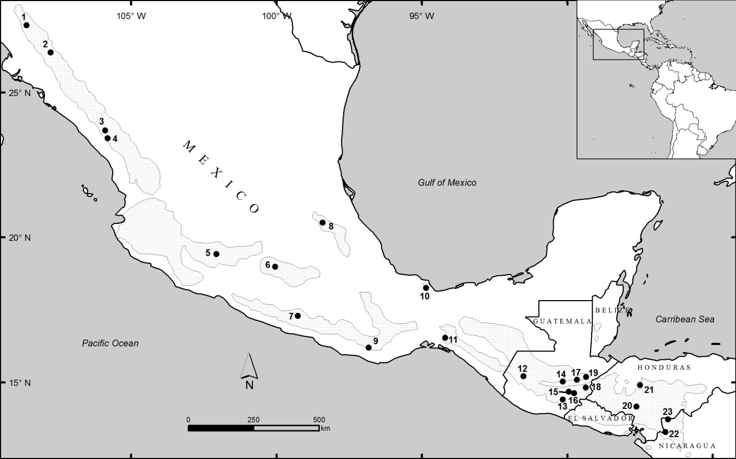

Figure 1: Map of P. oocarpa provenance distributions in their natural ranges. Provenances corresponding to numbers on the map are indicated in Table 1. (William Woodbridge, Camcore)

Figure 2
Provenance | 12 Month Survival % | se 12
Chinipas (M) | 92.48 | 2.275
Taretan (M) | 70.59 | 6.38
La Petaca (M) | 55.56 | 5.238
El Castaño (Bucaral) (G) | 54.84 | 5.16
San Pedro Solteapan (M) | 52.54 | 6.501
El Jicaro (M) | 36.54 | 6.678
Las Peñas-Cucal (G) | 33.33 | 4.811
San Sebastian Coatlán (M) | 16.39 | 4.74

 |  |  | Figure 2: Twelve month provenance survival after several frost events at Goedgeloof. Numbers in brackets above bars indicate the number of families representing each provenance. Treatments that do not share a common letter are significantly (p < 0.05) different. Error bars represent the standard error of the mean

Figure 3
Country | 12 Month Survival % | s.e.12
Mexico | 60.31 | 2.311
Guatemala | 43.92 | 3.61

 |  |  | Figure 3: Twelve month survival for the plants representing Mexico and Guatemala after several frost events at Goedgeloof. Treatments that do not share a common letter above the bars are significantly (p < 0.05) different. Error bars represent the standard error of the mean.

Figure 4
Provenance | Mean frost score | s.e.
Chinipas (M) | 0.842 | 0.0547
La Petaca (M) | 2.411 | 0.0665
San Pedro Solteapán (M) | 2.508 | 0.08213
El Jicaro (M) | 2.673 | 0.08749
San Sebastian Coatlán (M) | 2.738 | 0.08078
Taretan (M) | 2.804 | 0.08834
El Castaño (Bucaral) (G) | 2.849 | 0.06542
Las Peñas-Cucal (G) | 2.906 | 0.06439

 |  |  | Figure 4: Mean frost score for provenances at the Goedgeloof clone bank. Numbers in brackets above bars indicate the number of families representing each provenance. Treatments that do not share a common letter above the bars are significantly (p < 0.05) different. Error bars represent the standard error of the mean.

Figure 5
Country | Mean frost score | s.e.
Mexico | 2.076 | 0.04396
Guatemala | 2.878 | 0.06753

 |  |  | Figure 5
 |  |  | Figure 5: Mean frost score for those trees representing Mexico and Guatemala at the Goedgeloof clone bank. Treatments that do not share a common letter above the bars are significantly (p < 0.05) different. Error bars represent the standard error of the mean.

Figure 6
Provenance | 9 month survival % | se 9
Chinipas (M) | 94.28 | 0.938
La Petaca (M) | 89.76 | 2.351
San Pedro Solteapán (M) | 82.67 | 4.371
Las Peñas-Cucal (G) | 81.13 | 3.103
El Castaño (Bucaral) (G) | 80.36 | 2.395
Taretan (M) | 78.52 | 3.535
El Jicaro (M) | 78 | 5.858
San Sebastian Coatlán (M) | 70.53 | 4.678

 |  |  | Figure 6: Nine month survival of provenances after the frost events at the Hendiksdal CBSO. Numbers in brackets above bars indicate the number of families representing each provenance. Treatments that do not share a common letter above the bars are significantly (p < 0.05) different. Error bars represent the standard error of the mean.

Figure 7
Country | 9 month survival % | s.e.
Mexico | 88.17 | 0.966
Guatemala | 80.65 | 1.896

 |  |  | Figure 7

 |  |  | Figure 7: Nine month survival for the plants representing Mexico and Guatemala after frost events at Hendriksdal. Treatments that do not share a common letter above the bars are significantly (p < 0.05) different. Error bars represent the standard error of the mean

Figure 8
Provenance | GG 12 | HD 9
Chinipas | 92.48 | 94.28
El Castano (Bucarel) | 54.84 | 80.36
El Jicaro | 36.54 | 78
La Petaca | 55.56 | 89.76
Las Penas-Cucal | 33.33 | 81.13
San Pedro Solteapan | 52.54 | 82.67
San Sebastian Coatlan | 16.39 | 70.53
Taretan | 70.59 | 78.52

 |  |  | Figure 8: Linear regression between the survival of the eight common provenances at Goedgeloof and Hendriksdal at the end of the winter period.

Figure 9
Provenance | Mean EC | se
Patula | 18.89 | 2.579
Elliottii | 22.83 | 2.579
Pat x Ooc | 23.66 | 2.579
Pat x TecH | 24.5 | 2.579
Ell x CarH | 27 | 2.579
Pat x TecM | 27.39 | 2.579
Las Peñas-Cucal (G) | 30.14 | 3.3
Mesa de los Leales (M) | 35.12 | 1.437
Huayacocotla (M) | 35.31 | 1.661
Dipilto (N) | 35.41 | 2.282
San José Cusmapa (N) | 35.61 | 2.087
Tenería (M) | 36.69 | 2.106
El Castaño (Bucaral) (G) | 38.53 | 3.649
Duraznito Picachos (M) | 38.61 | 2.936
Mal Paso (G) | 38.63 | 1.934 | Figure 9
El Campanario (M) | 38.67 | 2.478
Pimientilla (H) | 39.06 | 2.126
San Lorenzo (G) | 39.63 | 1.65
Tapalapa (G) | 40.24 | 3.159
Camotan (G) | 43.58 | 1.64
San Luis Jilotepeque (G) | 44.66 | 2.447 | Figure 9: The mean electrical conductivity (EC) reading of the controls and Pinus oocarpa provenances in the electrolyte leakage test. Numbers in brackets above bars indicate the number of families representing each provenance. Treatments that do not share a common letter above the bars are significantly (p < 0.05) different). Error bars represent the standard error of the mean
Tablazón (H) | 44.78 | 2.146
San José La Arada (G) | 48.1 | 2.979

Figure 10
Country | Mean EC | se
Patula | 18.89 | 2.59
Elliottii | 22.83 | 2.599
Pat x Ooc | 23.66 | 2.599
Pat x TecH | 24.51 | 2.599
Ell x CarH | 27 | 2.599
Pat x TecM | 27.4 | 2.599
Nicaragua | 35.52 | 1.552
Mexico | 36.16 | 0.867
Guatemala | 40.99 | 0.809
Honduras | 41.9 | 1.522

 |  |  | Figure 10: The mean electrical conductivity (EC) reading (µS) for the plants representing the different countries and controls. Treatments that do not share a common letter are significantly (p < 0.05) different. Error bars represent the standard error of the mean.

Figure 11
Provenance | Mean Frost Score | s.e.
Elliottii | 1 | 0.1558
Patula | 1.139 | 0.1558
Ell x CarH | 1.222 | 0.1558
Pat x Ooc | 1.333 | 0.1558
Pat x TecH | 1.333 | 0.1558
Pat x TecM | 1.361 | 0.1558
Duraznito Picachos (M) | 1.571 | 0.1767
Mesa de los Leales (M) | 1.796 | 0.088
Huayacocotla (M) | 2.07 | 0.1008
El Castaño (Bucaral) (G) | 2.333 | 0.2204
Las Peñas-Cucal (G) | 2.333 | 0.204
Tenería (M) | 2.34 | 0.1284
Dipilto (N) | 2.383 | 0.1364
San José Cusmapa (N) | 2.411 | 0.1249
El Campanario (M) | 2.425 | 0.1478
Tapalapa (G) | 2.458 | 0.1909
San Lorenzo (G) | 2.536 | 0.102
Camotan (G) | 2.644 | 0.1002
Pimientilla (H) | 2.654 | 0.1297
Tablazón (H) | 2.698 | 0.1284
Mal Paso (G) | 2.714 | 0.1178 | Figure 11: Mean frost score for the commercial controls and provenances in the artificial freezing study. Numbers in brackets above bars indicate the number of families representing each provenance. Treatments that do not share a common letter above the bars are significantly (p < 0.05) different. Error bars represent the standard error of the mean.
San José La Arada (G) | 2.8 | 0.187
San Luis Jilotepeque (G) | 2.838 | 0.1537

Figure 12
Country | Mean frost score | s.e.
Elliottii | 1 | 0.1574
Patula | 1.139 | 0.1574
Ell x CarH | 1.222 | 0.1574
Pat x Ooc | 1.333 | 0.1574
Pat x TecH | 1.333 | 0.1574
Pat x TecM | 1.361 | 0.1574
Mexico | 2.019 | 0.0528
Nicaragua | 2.398 | 0.0931
Guatemala | 2.616 | 0.0499
Honduras | 2.676 | 0.0922

 |  |  | Figure 12: Mean frost score for the plants representing the commercial control and countries in the artificial freezing study. Treatments that do not share a common letter above the bars are significantly (p < 0.05) different. Bars represent the standard error of the mean.

Figure 13
Mean EC | Mean FS
43.58 | 2.644
35.41 | 2.383
38.61 | 1.571
38.67 | 2.425
38.53 | 2.333
27 | 1.222
22.83 | 1
35.31 | 2.07
40.24 | 2.458
30.14 | 2.333
38.63 | 2.714
35.12 | 1.796
23.66 | 1.333
24.5 | 1.333
27.39 | 1.361
18.89 | 1.139 | Figure 13: The linear relationship between the mean freezing score and electrical conductivity (µS) readings for the provenances and controls in the artificial freezing study.
39.06 | 2.654
35.61 | 2.411
48.1 | 2.8
39.63 | 2.536
44.66 | 2.838
44.78 | 2.698
36.69 | 2.34

