Table S7
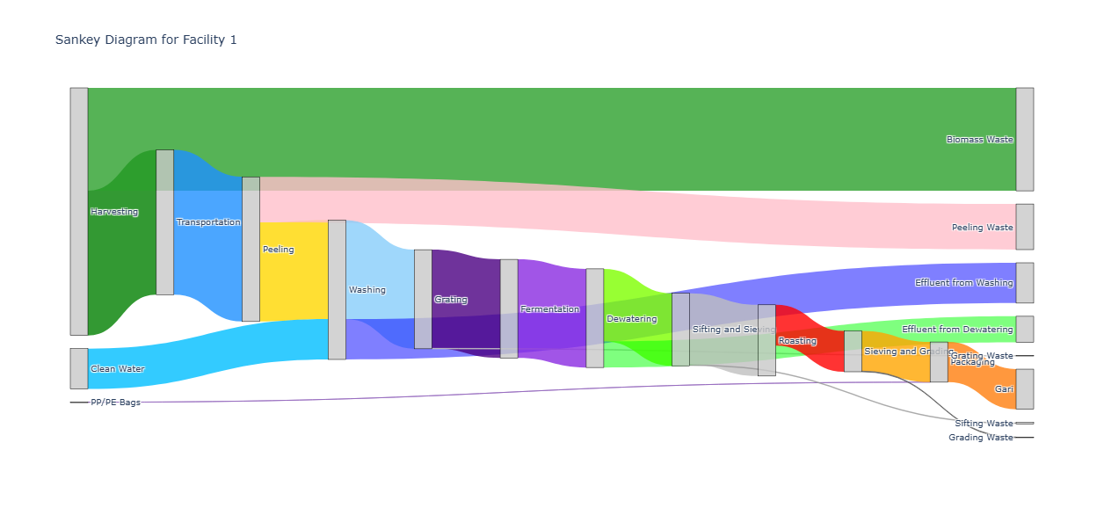
 |  |  |  |  | Facility 1 Actual Materilal and Flow Analysis Data

Process | Inputs | Outputs | Biomass Waste | Effluent | Evaporated Water | Cyanide | Clean Water | PP/PE Bags | Woodfuel Ash
Harvesting (kg) | 484.06 | 282.82 | 201.21 | 0 | 0 | 0 | 0 | 0 | 0
Transportation (kg) | 282.82 | 282.82 | 0 | 0 | 0 | 0 | 0 | 0 | 0
Peeling (kg) | 282.82 | 193.68 | 89.14 | 0 | 0 | 0 | 0 | 0 | 0
Washing (kg) | 272.48 | 193.68 | 0 | 78.8 | 0 | 0 | 78.8 | 0 | 0
Grating (kg) | 193.68 | 192.85 | 0.83 | 0 | 0 | 0 | 0 | 0 | 0
Fermentation (kg) | 192.85 | 192.85 | 0 | 0 | 0 | 0 | 0 | 0 | 0
Dewatering (kg) | 192.85 | 141.86 | 0 | 50.99 | 0 | 0 | 0 | 0 | 0
Sifting and Sieving (kg) | 141.86 | 139.2 | 2.66 | 0 | 0 | 0 | 0 | 0 | 0
Roasting (kg) | 142.29 | 79.75 | 0 | 0 | 59.449 | 0.0000146 | 0 | 0 | 3.09
Sieving and Grading (kg) | 79.75 | 78.52 | 1.23 | 0 | 0 | 0 | 0 | 0 | 0
Packaging (kg) | 78.668 | 78.52 | 0 | 0 | 0 | 0 | 0 | 0.148 | 0

Table S8
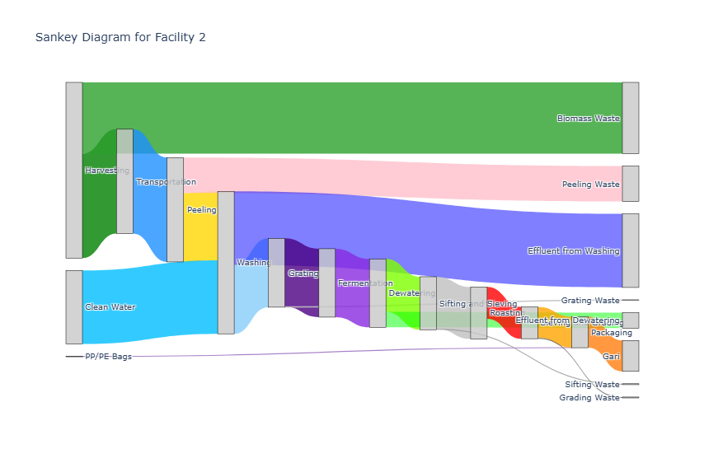
 |  |  |  | Facility 2 Actual Materilal and Flow Analysis Data

Process | Inputs | Outputs | Biomass Waste | Effluent | Evaporated Water | Cyanide | Clean Water | PP/PE Bags | Woodfuel Ash
Harvesting (kg) | 159.77 | 94.9 | 64.87 | 0 | 0 | 0 | 0 | 0 | 0
Transportation (kg) | 94.9 | 94.9 | 0 | 0 | 0 | 0 | 0 | 0 | 0
Peeling (kg) | 94.9 | 62.65 | 32.25 | 0 | 0 | 0 | 0 | 0 | 0
Washing (kg) | 129.57 | 62.65 | 0 | 66.92 | 0 | 0 | 66.92 | 0 | 0
Grating (kg) | 62.65 | 62.2 | 0.45 | 0 | 0 | 0 | 0 | 0 | 0
Fermentation (kg) | 62.2 | 62.2 | 0 | 0 | 0 | 0 | 0 | 0 | 0
Dewatering (kg) | 62.2 | 48.15 | 0 | 14.05 | 0 | 0 | 0 | 0 | 0
Sifting and Sieving (kg) | 48.15 | 47.3 | 0.85 | 0 | 0 | 0 | 0 | 0 | 0
Roasting (kg) | 53.14 | 28.9 | 0 | 0 | 18.4 | 0.0000201 | 0 | 0 | 5.84
Sieving and Grading (kg) | 28.9 | 28.1 | 0.8 | 0 | 0 | 0 | 0 | 0 | 0
Packaging (kg) | 28.174 | 28.1 | 0 | 0 | 0 | 0 | 0 | 0.074 | 0

Table S9
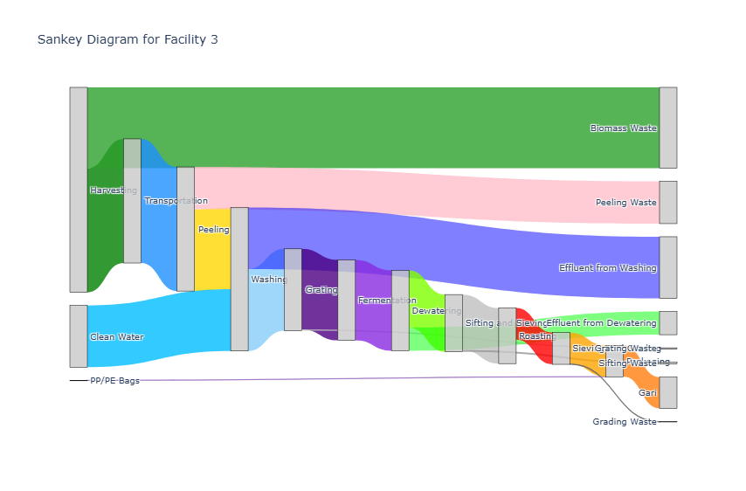
 |  |  |  | Facility 3 Actual Materilal and Flow Analysis Data

Process | Inputs | Outputs | Biomass Waste | Effluent | Evaporated Water | Cyanide | Clean Water | PP/PE Bags | Woodfuel Ash
Harvesting (kg) | 85.89 | 52.00 | 33.89 | 0.00 | 0.00 | 0.00 | 0.00 | 0.00 | 0.00
Transportation (kg) | 52.00 | 52.00 | 0.00 | 0.00 | 0.00 | 0.00 | 0.00 | 0.00 | 0.00
Peeling (kg) | 52.00 | 34.30 | 17.70 | 0.00 | 0.00 | 0.00 | 0.00 | 0.00 | 0.00
Washing (kg) | 60.15 | 34.30 | 0.00 | 25.85 | 0.00 | 0.00 | 25.85 | 0.00 | 0.00
Grating (kg) | 34.30 | 33.70 | 0.60 | 0.00 | 0.00 | 0.00 | 0.00 | 0.00 | 0.00
Fermentation (kg) | 33.70 | 33.70 | 0.00 | 0.00 | 0.00 | 0.00 | 0.00 | 0.00 | 0.00
Dewatering (kg) | 33.70 | 24.00 | 0.00 | 9.70 | 0.00 | 0.00 | 0.00 | 0.00 | 0.00
Sifting and Sieving (kg) | 24.00 | 23.30 | 0.70 | 0.00 | 0.00 | 0.00 | 0.00 | 0.00 | 0.00
Roasting (kg) | 26.41 | 13.30 | 0.00 | 0.00 | 10.00 | 0.00 | 0.00 | 0.00 | 3.11
Sieving and Grading (kg) | 13.30 | 13.10 | 0.20 | 0.00 | 0.00 | 0.00 | 0.00 | 0.00 | 0.00
Packaging (kg) | 13.14 | 13.10 | 0.00 | 0.00 | 0.00 | 0.00 | 0.00 | 0.04 | 0.00

Table S10
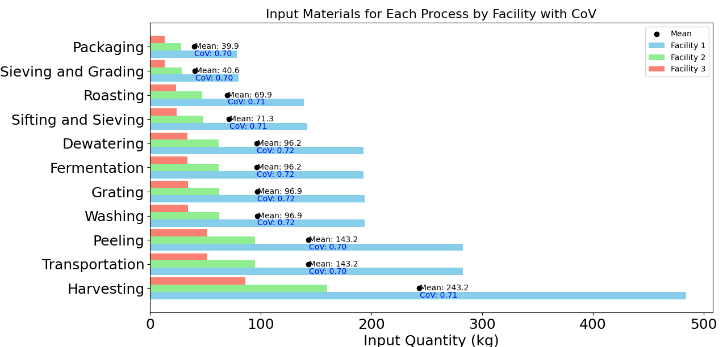
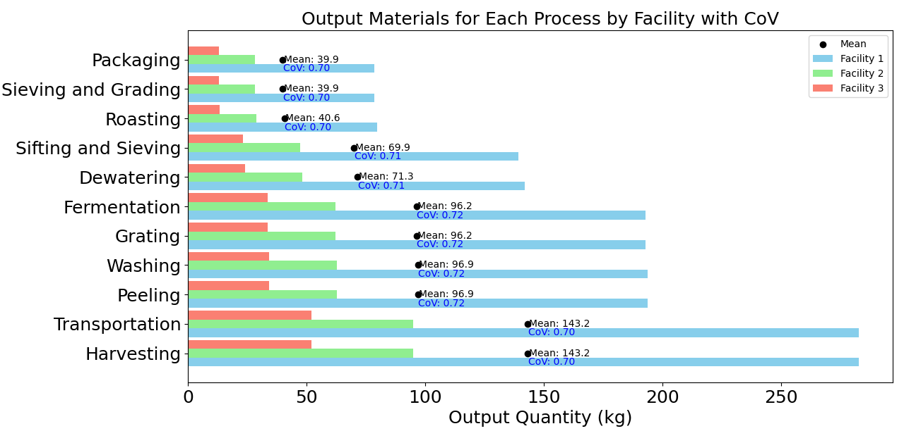
 |  | All Facilities Actual Materilal and Flow Analysis Data

Process | Average Inputs | Average Outputs | Average Clean Water | Average PP/PE Bags | Average Woodfuel Ash
Harvesting (kg) | 243.240 | 143.240 | 0.000 | 0.000 | 0.000
Transportation (kg) | 143.240 | 143.240 | 0.000 | 0.000 | 0.000
Peeling (kg) | 143.240 | 96.877 | 0.000 | 0.000 | 0.000
Washing (kg) | 154.067 | 96.877 | 57.190 | 0.000 | 0.000
Grating (kg) | 96.877 | 96.250 | 0.000 | 0.000 | 0.000
Fermentation (kg) | 96.250 | 96.250 | 0.000 | 0.000 | 0.000
Dewatering (kg) | 96.250 | 71.337 | 0.000 | 0.000 | 0.000
Sifting and Sieving (kg) | 71.337 | 69.933 | 0.000 | 0.000 | 0.000
Roasting (kg) | 73.947 | 40.650 | 0.000 | 0.000 | 4.013
Sieving and Grading (kg) | 40.650 | 39.907 | 0.000 | 0.000 | 0.000
Packaging (kg) | 39.907 | 39.907 | 0.000 | 0.086 | 0.000

Fig S13
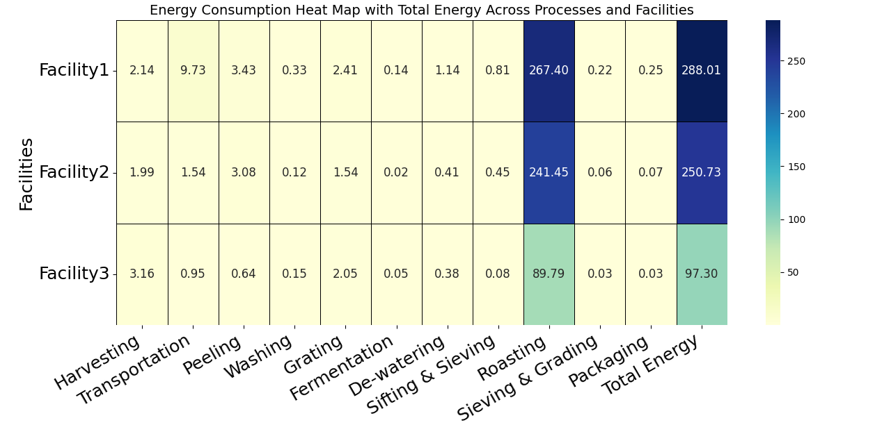
Energy consumption heatmap with Total Energy across process and facilities

Table S13
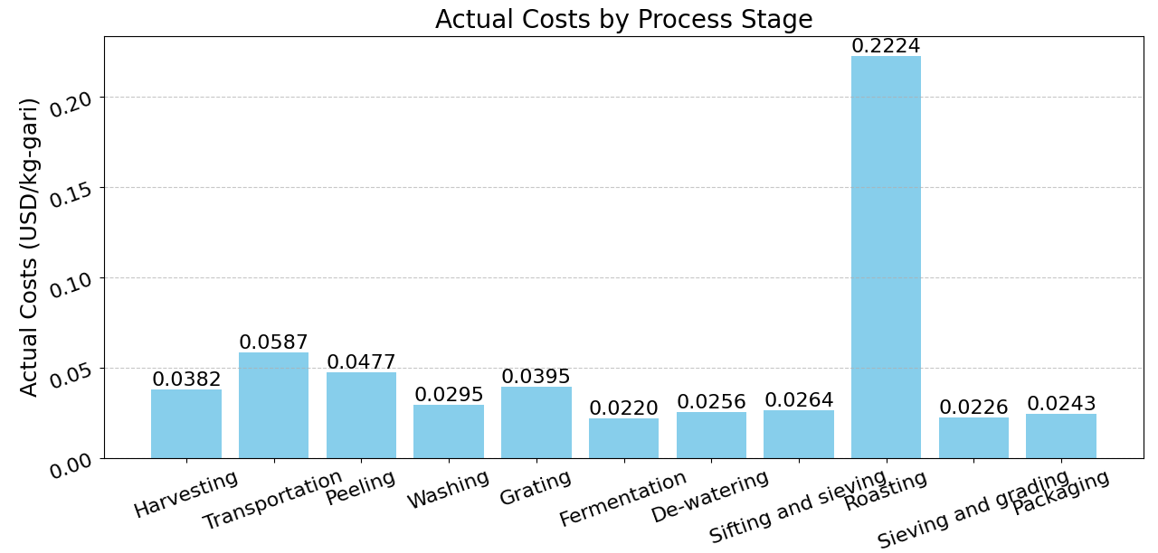
 |  |  |  |  | Costs of Production ($/kg-gari)

Process | Harvest | Transportation | Peeling | Washing | Grating | Fermentation | De-watering | Sieving and sifiting | Roasting | Sieving and grading | Packaging | Total cost per cost center ($)
Human energy ($) | 0.016767422263 | 0.00091311782135 | 0.026261406916 | 0.002181784014 | 0.001454522676 | 0.00048435605112 | 0.0041049781383 | 0.0049211350539 | 0.061485897707 | 0.0011393760962 | 0.00074342350915 | 0.12045742025
Gasoline ($) | 0 | 0.036307040842 | 0 | 0 | 0.016591255324 | 0 | 0 | 0 | 0 | 0 | 0 | 0.052898296166
Cassava ($) | 0.021478400296 | 0.021478400296 | 0.021478400296 | 0.021478400296 | 0.021478400296 | 0.021478400296 | 0.021478400296 | 0.021478400296 | 0.021478400296 | 0.021478400296 | 0.021478400296 | 0.23626240326
Woodfuel ($) | 0 | 0 | 0 | 0 | 0 | 0 | 0 | 0 | 0.13946742 | 0 | 0 | 0.13946742
Water ($) | 0 | 0 | 0 | 0.0058178752192 | 0 | 0 | 0 | 0 | 0 | 0 | 0 | 0.0058178752192
Packaging ($) | 0 | 0 | 0 | 0 | 0 | 0 | 0 | 0 | 0 | 0 | 0.0021214399065 | 0.0021214399065

Total cost per process ($) | 0.038245822559 | 0.058698558959 | 0.047739807211 | 0.029478059529 | 0.039524178296 | 0.021962756347 | 0.025583378434 | 0.02639953535 | 0.222431718 | 0.022617776392 | 0.024343263712 | 0.55702485479

Fig S17
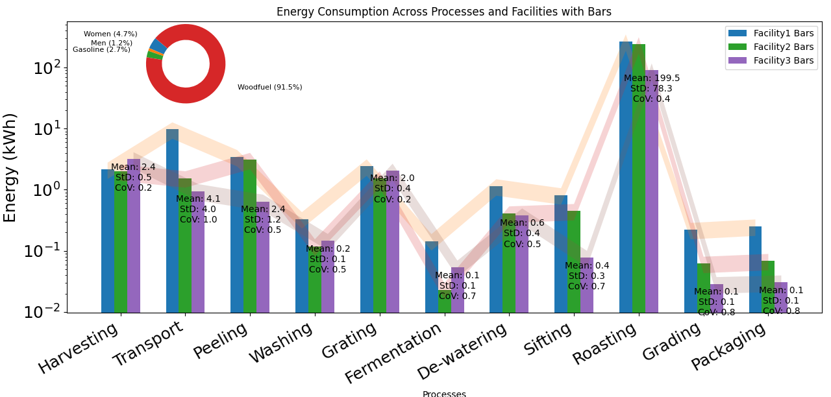
Average actual Energy Consumption across process facilities

Table S18
 |  |  | Scenario 1 (a) Costs during the pick harvest season
 |  |  |  |  |  |  |  |  | Cassava Pick period | Cassava low pick period
Process | Human energy ($) | Gasoline ($) | Cassava ($) | Woodfuel ($) | Water ($) | Packaging ($) | Total cost per process ($) | Process | Total cost per process ($) | Total cost per process ($)
Harvest | 0.016767422263 | 0 | 0.021478400296 | 0 | 0 | 0 | 0.038245822559 | Harvest | 0.038245822559 | 0.053051122263
Transportation | 0.00091311782135 | 0.036307040842 | 0.021478400296 | 0 | 0 | 0 | 0.058698558959 | Transportation | 0.058698558959 | 0.066814327421
Peeling | 0.026261406916 | 0 | 0.021478400296 | 0 | 0 | 0 | 0.047739807211 | Peeling | 0.047739807211 | 0.062545106916
Washing | 0.002181784014 | 0 | 0.021478400296 | 0 | 0.0058178752192 | 0 | 0.029478059529 | Washing | 0.029478059529 | 0.044283359233
Grating | 0.001454522676 | 0.016591255324 | 0.021478400296 | 0 | 0 | 0 | 0.039524178296 | Grating | 0.039524178296 | 0.050917676376
Fermentation | 0.00048435605112 | 0 | 0.021478400296 | 0 | 0 | 0 | 0.021962756347 | Fermentation | 0.021962756347 | 0.036768056051
De-watering | 0.0041049781383 | 0 | 0.021478400296 | 0 | 0 | 0 | 0.025583378434 | De-watering | 0.025583378434 | 0.040388678138
Sieving and sifiting | 0.0049211350539 | 0 | 0.021478400296 | 0 | 0 | 0 | 0.02639953535 | Sieving and sifiting | 0.02639953535 | 0.041204835054
Roasting | 0.061485897707 | 0 | 0.021478400296 | 0.13946742 | 0 | 0 | 0.222431718 | Roasting | 0.222431718 | 0.32749800971
Sieving and grading | 0.0011393760962 | 0 | 0.021478400296 | 0 | 0 | 0 | 0.022617776392 | Sieving and grading | 0.022617776392 | 0.037423076096
Packaging | 0.00074342350915 | 0 | 0.021478400296 | 0 | 0 | 0.0021214399065 | 0.024343263712 | Packaging | 0.024343263712 | 0.039148563416
 |  |  |  |  |  |  |  | Total for all | 0.55702485479 | 0.80004281067
 |  |  |  |  |  |  | 0.55702485479

Total cost per cost center ($) | 0.12045742025 | 0.052898296166 | 0.23626240326 | 0.13946742 | 0.0058178752192 | 0.0021214399065 | 0.55702485479

 |  |  | Scenario 1 Costs during the low cassava peak period harvest season

Process | Human energy ($) | Gasoline ($) | Cassava ($) | Woodfuel ($) | Water ($) | Packaging ($) | Total cost per process ($)
Harvest | 0.016767422263 | 0 | 0.0362837 | 0 | 0 | 0 | 0.053051122263
Transportation | 0.00091311782135 | 0.0296175096 | 0.0362837 | 0 | 0 | 0 | 0.066814327421
Peeling | 0.026261406916 | 0 | 0.0362837 | 0 | 0 | 0 | 0.062545106916
Washing | 0.002181784014 | 0 | 0.0362837 | 0 | 0.0058178752192 | 0 | 0.044283359233
Grating | 0.001454522676 | 0.0131794537 | 0.0362837 | 0 | 0 | 0 | 0.050917676376
Fermentation | 0.00048435605112 | 0 | 0.0362837 | 0 | 0 | 0 | 0.036768056051
De-watering | 0.0041049781383 | 0 | 0.0362837 | 0 | 0 | 0 | 0.040388678138
Sieving and sifiting | 0.0049211350539 | 0 | 0.0362837 | 0 | 0 | 0 | 0.041204835054
Roasting | 0.061485897707 | 0 | 0.0362837 | 0.229728412 | 0 | 0 | 0.32749800971
Sieving and grading | 0.0011393760962 | 0 | 0.0362837 | 0 | 0 | 0 | 0.037423076096
Packaging | 0.00074342350915 | 0 | 0.0362837 | 0 | 0 | 0.0021214399065 | 0.039148563416

 |  |  |  |  |  |  | 0.80004281067
Total cost per cost center ($) | 0.12045742025 | 0.0427969633 | 0.3991207 | 0.229728412 | 0.0058178752192 | 0.0021214399065 | 0.80004281067

